Loro Piana
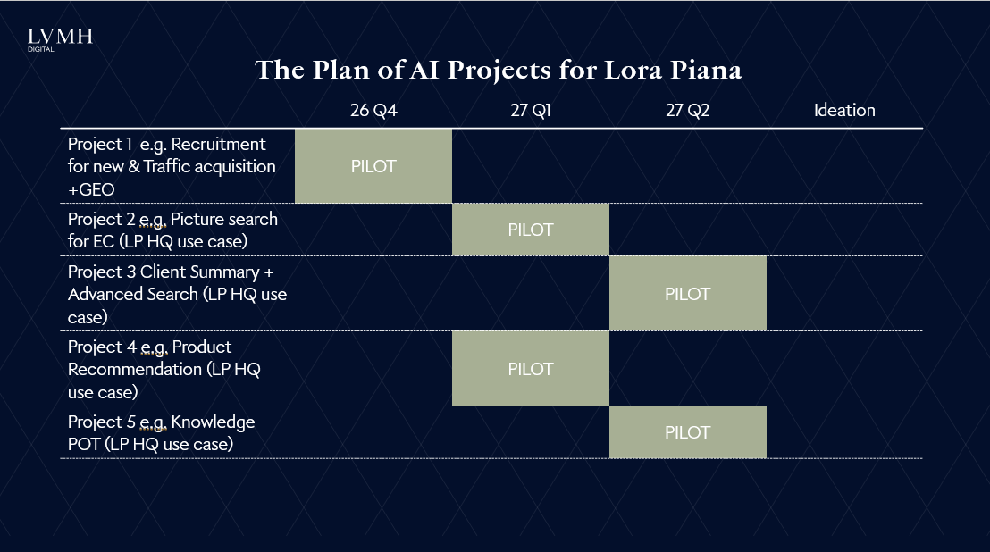
Back <-
 | Loro Piana

 | Rachael JIANG | Total: 8

 | Projects | Owner | Status |  | Maison name
 | Enrich project scaling | Mars YU | Run
 | 【Advanced Journey 】High potential one-timer/repeater | Chenlong WANG | Run
 | 【Advanced Journey 】Product Recom DREAM 2.0 | Chenlong WANG | Ideation | Q1 2027 | Product recommendation - 27Q1
 | 【Clienteling】Gen AI Client Knowledge | Chenlong WANG | Ideation |  | Client summary + advanced search - 27 Q2
 | State of Data（June） | Mars YU | Done
 | 【Marketing Automation 】Personalized journeys through QA migration, upgrades, and orchestration | Qiwen MO | Q1-Scale
 | 【Client Community】CRM upskilling and community | Candy HOU | Done
 | 【Clienteling】WeCom tools benchmark and feature innovation | Qiwen MO | Done
 | China AI omni landscape strategy playbook 1) Drive to Store | Wendy CHEN | Q4-Pilot |  | Recruitment for new & Traffic acquisition +GEO
 | Al for omni excellence - 1) Tracking Lab | Wendy CHEN | Run
 | Al for omni excellence - 3) Smart Search | Wendy CHEN | Ideation |  | Picture search for EC - 27Q1
 | VoC (NPS) | Rikka CHEN | Run
 | GEO | Yuanne CHANG | Q4-Pilot |  | Recruitment for new & Traffic acquisition +GEO
 | Actionable Insights | Yuanne CHANG | Ideation
 | Enhanced Targeting | Yuanne CHANG | Ideation

 |  |  |  |  | Knowledge POT (LP HQ use case) - retail knowledge 27 Q2

Fendi
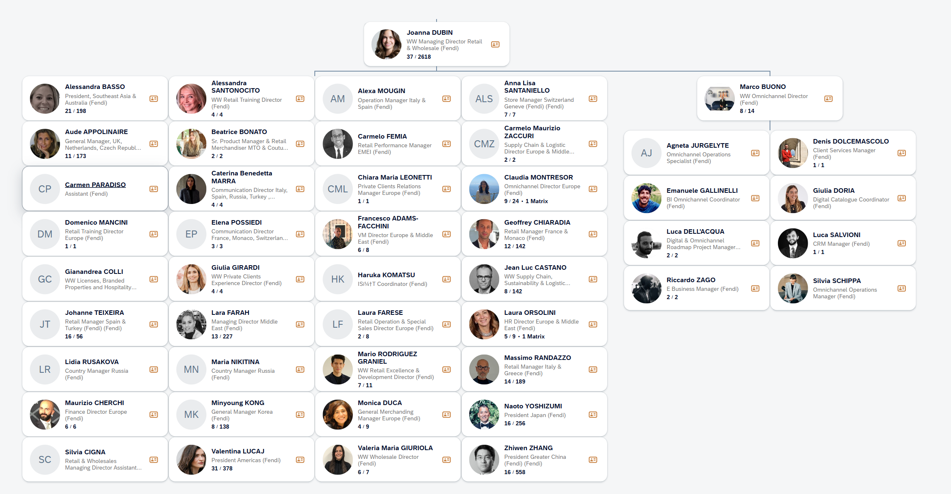
Back <-
 | Fendi

 | Wendy CHEN | Total: 8

 | Projects | Owner | Status
 | Enrich project scaling | Mars YU | Run
 | 【Advanced Journey 】High potential one-timer/repeater | Chenlong WANG | Run
 | State of Data（June） | Mars YU | Done
 | 【Marketing Automation 】Personalized journeys through QA migration, upgrades, and orchestration | Qiwen MO | Q2-Scale
 | 【Client Community】CRM upskilling and community | Candy HOU | Done
 | 【Clienteling】WeCom tools benchmark and feature innovation | Qiwen MO | Done
 | China AI omni landscape strategy playbook 2) Agentic commerce | Wendy CHEN | Q3-Pilot
 | Al for omni excellence - 2) Product recommendation | Wendy CHEN | Ideation | Back <-
 | Al for omni excellence - 3) Smart Search | Wendy CHEN | Ideation
 | Al training for omni-retail | Rikka CHEN | Q2-Pilot
 | 【Gen AI Content Hub】Asset Production & Distribution | Qia CHEN | Ideation
 | 【Gen AI Content Hub】Asset Production & Distribution - LucIA | Qia CHEN | Q2-Pilot
 | GEO | Yuanne CHANG | Q3-Pilot

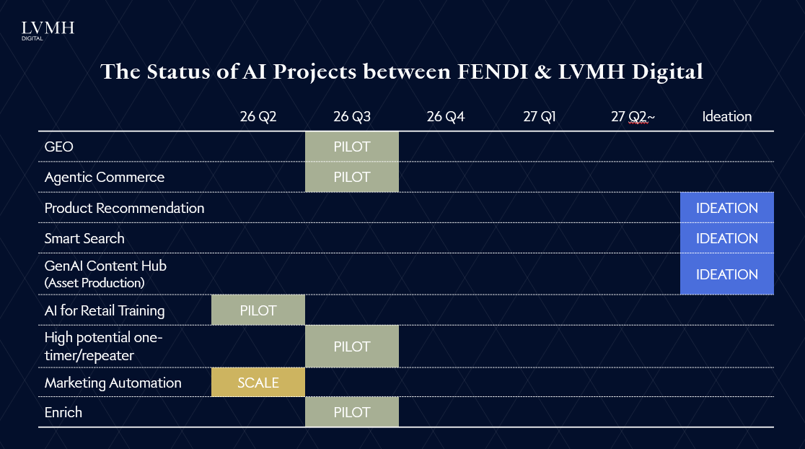

 | High potential repeater - 2026 Q3
 | ENRICH X FUR 2026 Q3
 | Product recommendation - 2026 Q3/Q4
 | NPS (NPS depends on global)
 | AI Training to check with Rikka on the pilot results
 | Gen AI Contents/Lucia check with Rachael

Celine
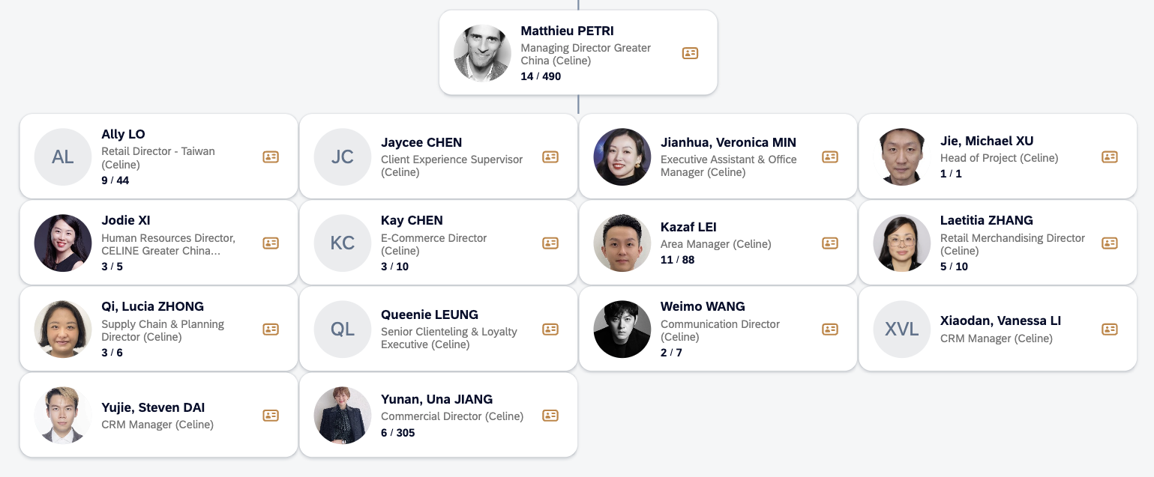
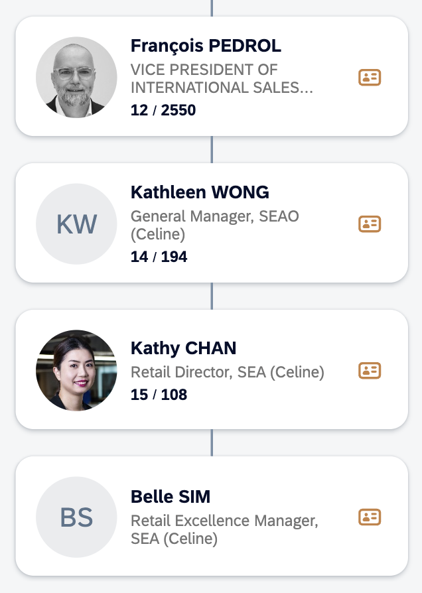
Back <-
 | Celine

 | Livia GAO | Total: 11

 | Projects | Owner | Status
 | Enrich project scaling | Mars YU | Run
 | 【Advanced Journey 】High potential one-timer/repeater | Chenlong WANG | Run
 | 【Advanced Journey 】Product Recom DREAM 2.0 | Chenlong WANG | Q4-Pilot
 | 【Advanced Journey 】Total-look recommendation | Livia GAO | Ideation
 | State of Data（June） | Mars YU | Done
 | 【Marketing Automation 】Personalized journeys through QA migration, upgrades, and orchestration | Qiwen MO | Q3-Pilot
 | 【Clienteling】Gen AI Contextual Outreach | Candy HOU | Ideation
 | 【Client Community】CRM upskilling and community | Candy HOU | Done
 | 【Clienteling】WeCom tools benchmark and feature innovation | Qiwen MO | Done
 | 【KOS】AI solutions (scanning, content assistant, task management ) | TBD | Ideation
 | Al for omni excellence - 1) Tracking Lab | Wendy CHEN | Q2-Scale
 | Al for omni excellence - 2) Product recommendation | Wendy CHEN | Q4-Pilot
 | Al for omni excellence - 3) Smart Search | Wendy CHEN | Ideation
 | VoC (NPS) | Rikka CHEN | Q3-Scale
 | GEO | Yuanne CHANG | Q4-Pilot
 | Actionable Insights | Yuanne CHANG | Ideation

Loewe
Back <-
 | Loewe

KA | Yuanne CHANG | Total: 13
Champion | Florian MULLER

 | Projects | Owner | Status
 | Enrich project scaling | Mars YU | Run
 | 【Advanced Journey 】High potential one-timer/repeater | Chenlong WANG | Run
 | 【Advanced Journey 】High potential VIC detection | Chenlong WANG | Q3-Scale
 | 【Advanced Journey 】Product Recom DREAM 2.0 | Chenlong WANG | Q4-Pilot
 | 【Advanced Journey 】Total-look recommendation | Livia GAO | Q4-Pilot
 | State of Data（June） | Mars YU | Done
 | 【Marketing Automation 】Personalized journeys through QA migration, upgrades, and orchestration | Qiwen MO | Q4-Pilot
 | 【Client Community】CRM upskilling and community | Candy HOU | Done
 | 【Clienteling】WeCom tools benchmark and feature innovation | Qiwen MO | Done
 | 【KOS】AI solutions (scanning, content assistant, task management ) | TBD | Ideation
 | China AI omni landscape strategy playbook 2) Agentic commerce | Wendy CHEN | Ideation
 | Al for omni excellence - 1) Tracking Lab | Wendy CHEN | Ideation
 | Al for omni excellence - 2) Product recommendation | Wendy CHEN | Q4-Pilot
 | VoC (NPS) | Rikka CHEN | Q4-Scale
 | Al training for omni-retail | Rikka CHEN | Ideation | early 2027
 | GEO | Yuanne CHANG | Q3-Pilot
 | Actionable Insights | Yuanne CHANG | Q3-Pilot
 | Enhanced Targeting | Yuanne CHANG | Q3-Pilot
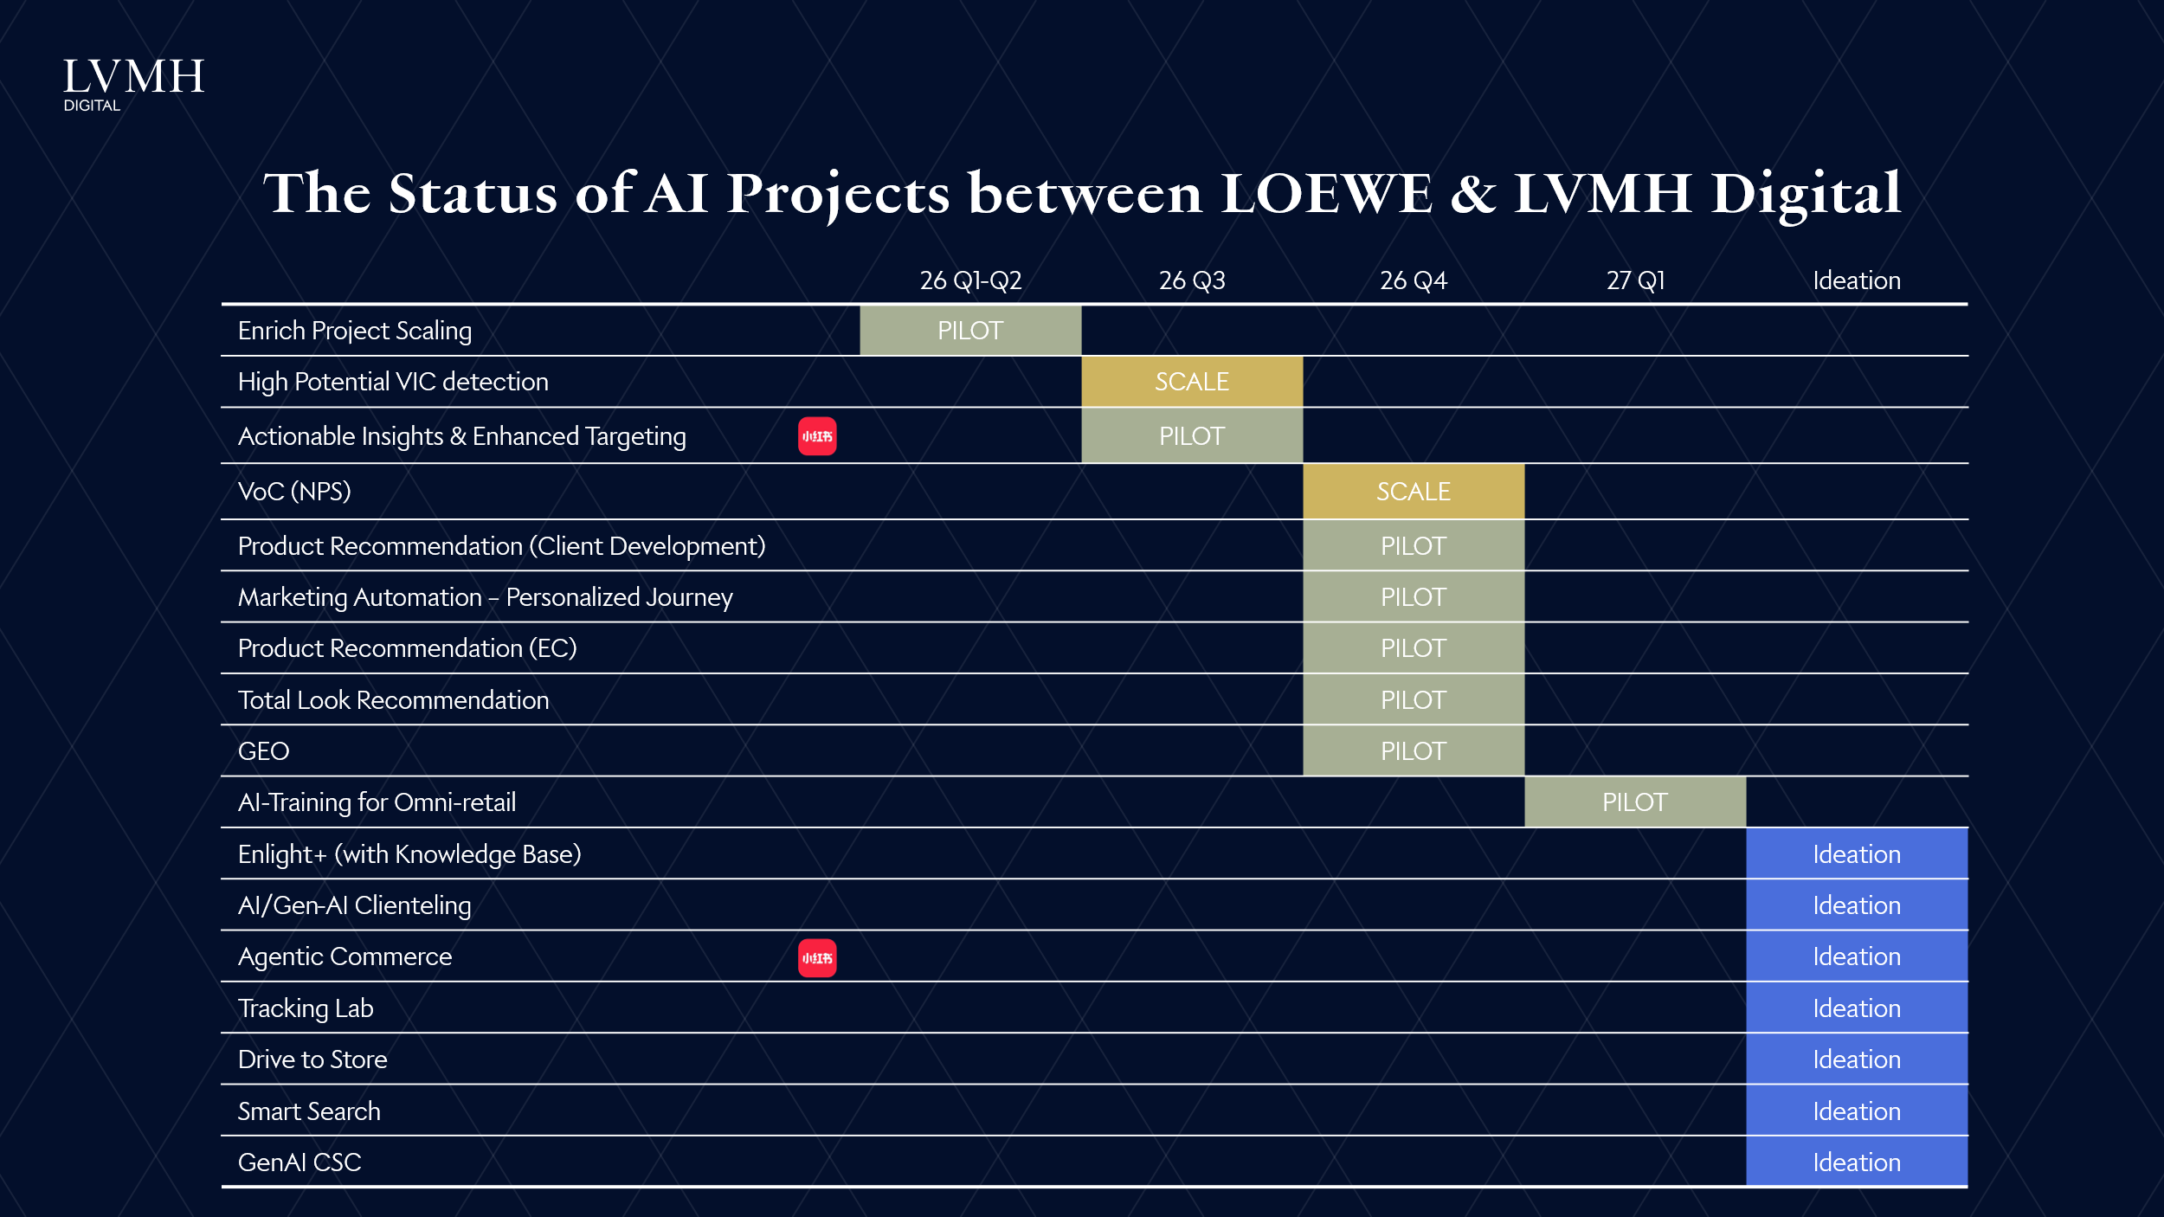

Overall Status:
Digital Priorities 2026:
- Clienteling: WeCom MyLOEWE target go live in July. Will leverage VO2 template of Clienteling features as well as transaction features ( mobile POS, remote sales, store stock transfer etc.)
- E-commerce: Rebuild omni miniprogram, with all-in-one functionalities including DDC, member hub and e-commerce
AI Roadmap:
High potential and product recommendation algo in collaboration with Group digital team
Budget:
No substantial growth, only carry over 2025 WeCom and E-Commerce budget to 2026
EC Growth target:
Conservative negative target

Org Chart

Digital
Commercial
Marketing
Merchandising

Florian MULLER
Digital Consultant
Michael STRAUB
Commercial Director
Sylvie WU
Marketing Director
Jack CASSIDY
Snr. Merchandising & VM Director

Yinlian BAI
Digital & Intelligence Manager
Louis Chen
Omnichannel Product Owner
TBH
E-Commerce Lead
Olivia LI
KOSA Project Lead

All data proejcts, supporting part of WeCom Clienteling
All EC and membership miniprograms
KOS Project Lead dedicated for KOS project

Givenchy
Back <-
 | Givenchy

 | Xintong YAN | Total: 3

 | Projects | Owner | Status
 | 【Advanced Journey 】High potential propensity for collection | Chenlong WANG | Done
 | 【Marketing Automation 】Personalized journeys through QA migration, upgrades, and orchestration | Qiwen MO | Q4-Pilot
 | China AI omni landscape strategy playbook 2) Agentic commerce | Wendy CHEN | Ideation
 | 【Gen AI Content Hub】Asset Production & Distribution | Qia CHEN | Run
 | 【Gen AI Content Hub】Asset Production & Distribution - LucIA | Qia CHEN | Q2-Pilot

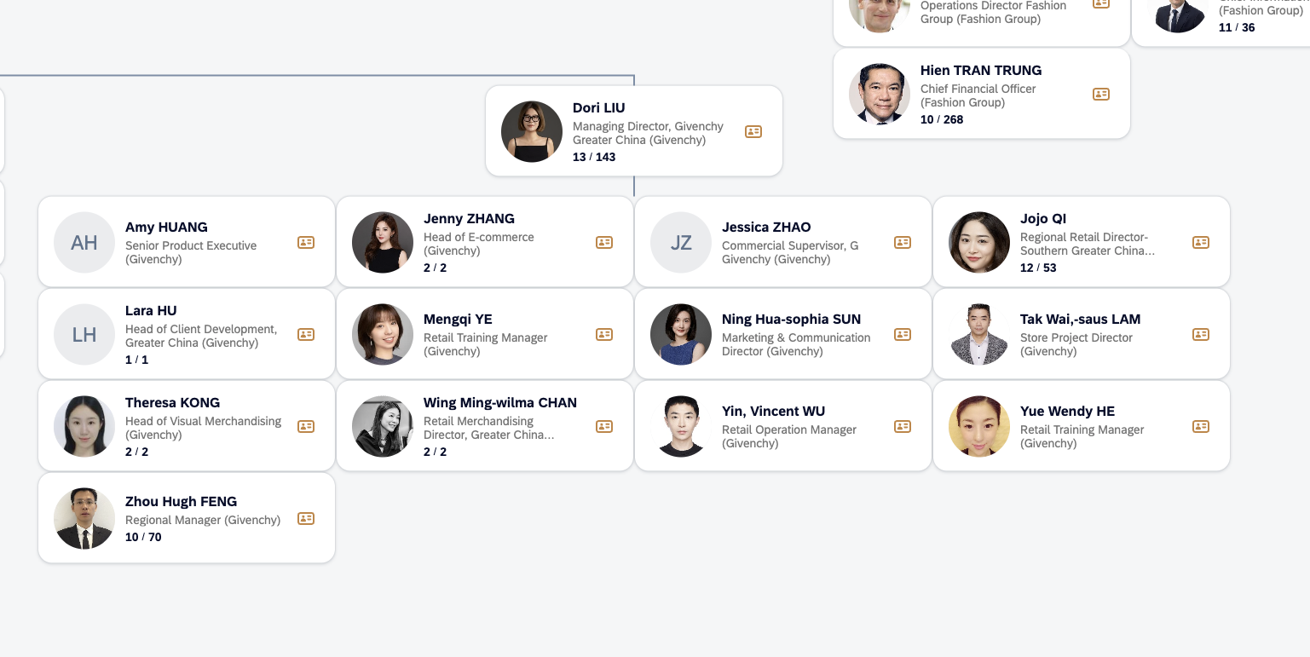

 |  |  |  | Head of EC for | 【Gen AI Content Hub】Asset Production & Distribution | 【Marketing Automation 】Personalized journeys through QA migration, upgrades, and orchestration | Head of Client Development for DS related project (early adopters)

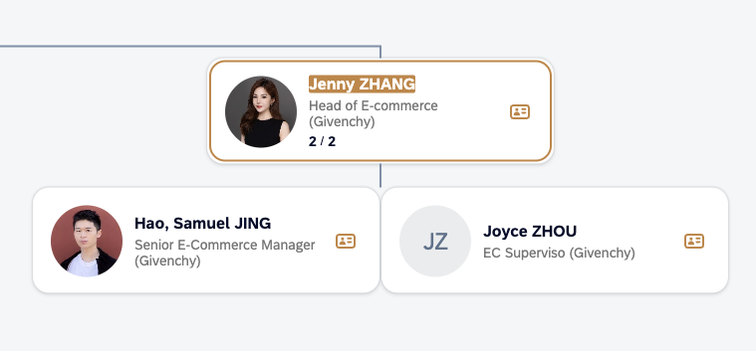
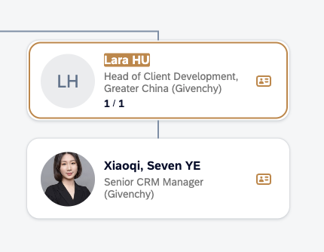

 | AI Future Planning

 | Top priority: Atom上线，目前aim今年，否则其他的项目都会受限于Atom
 | 1-New adopter（4月份在做的） + 新客复购（6-7月想做新一次客的模型）
 | 2-Marketing automation - 还在聊，今年在做到什么程度，部署基础的task
 | 3-Contextual outreach有需求，但要等MA的完成，没有Atom是痛点
 | 4-需求：new one-timers 与 enrich结合 就会有提升，有没有可能撞一下enrich的池子
 | 5-想做VIC的潜在发掘，新的top的客人（更有兴趣）
 | 6-产品推荐有兴趣

Kenzo
Back <-
 | Kenzo

 | TBD | Total: 0

 | Projects | Owner | Status
 | 【Client Community】CRM upskilling and community | Candy HOU | 0

Overall Status:
Digital Priorities & AI Roadmap 2026:
WeCom and SFoA discovery phase as of now. Budget will be decided in R2 (Sep, 2026) or B27
EC Growth target:
Higher growth target because of Douyin channel launched in April 2025 generated significant EC business growth

Marketing
E-Commerce

Eva TANG
Senior Marketing & Communications Manager
Jay HUANG
Head of E-Commerce

KOS Key contact

Zack ZHANG
Senior Client Development Executive

All CRM related topics

Berluti
Back <-
 | Berluti

 | Yuanne CHANG | Total: 3

 | Projects | Owner | Status
 | Enrich project scaling | Mars YU | Q2-Pilot
 | 【Client Community】CRM upskilling and community | Candy HOU | Done
 | 【Clienteling】WeCom tools benchmark and feature innovation | Qiwen MO | Done
 | 【Gen AI Content Hub】Asset Production & Distribution | Qia CHEN | Ideation
 | 【Gen AI Content Hub】Asset Production & Distribution - LucIA | Qia CHEN | Q2-Pilot

 | Berluti 2026 Strategy
 | Internal Recruitment - Product Cross-selling

 | Challenges
 | Cross-sell but some offline stores have limited products (AI try-on）
 | Offline traffic limited （Enrich - but difficulty with driving consent rate）

 | Berluti Org Chart with Key Contacts (regarding China affairs)
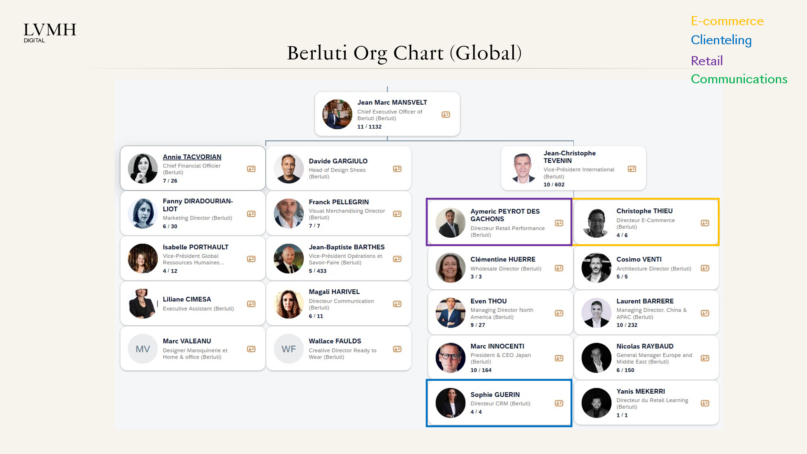
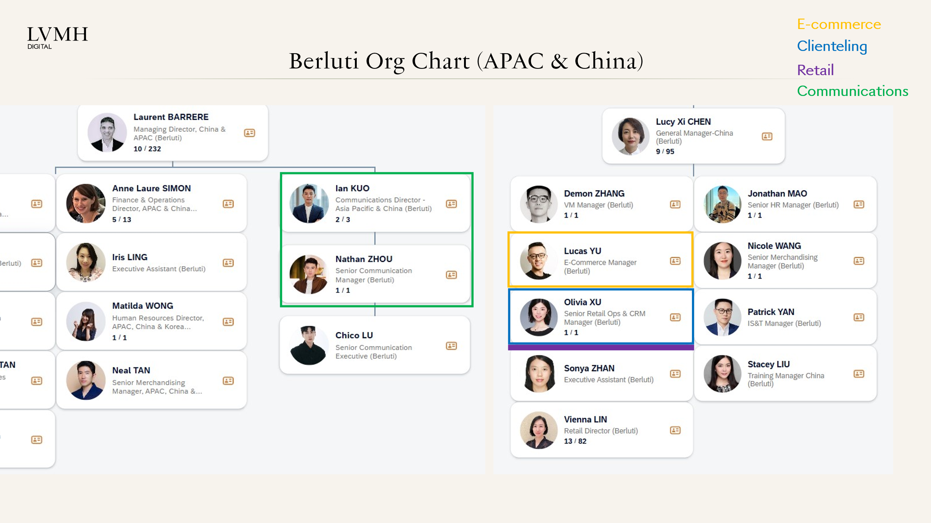

 | *Olivia involved with Clienteling and Retail

Marc Jocobs
Back <-
 | Marc Jocobs

 | TBD | Total: 0

 | Projects | Owner | Status

Agnes POON
Marketing & Communication Manager, Greater China

Carmen WONG
Senior Retail Manager, Greater China

KOS Key contact

Rimowa
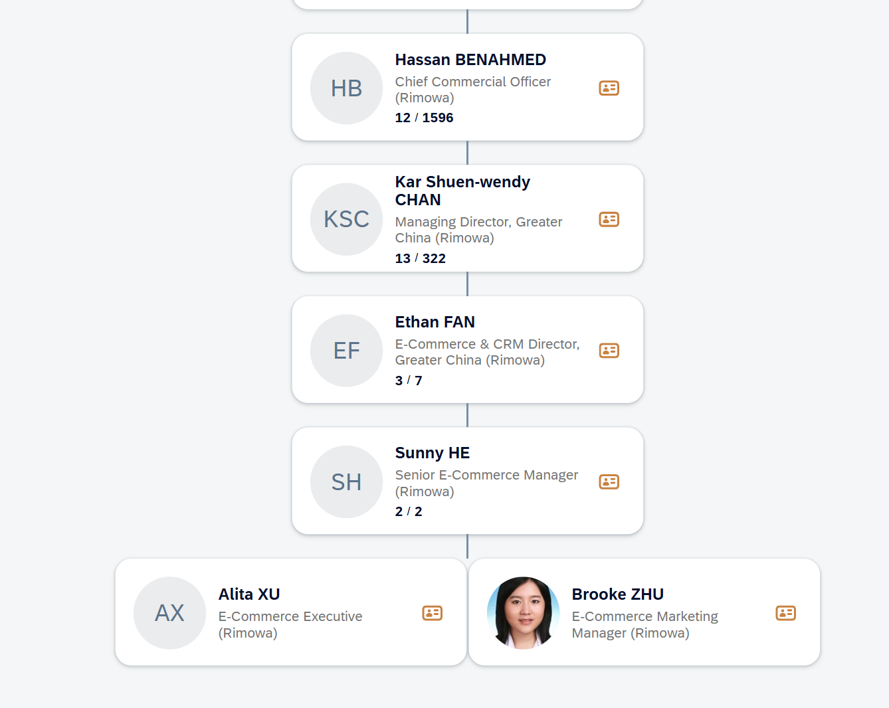
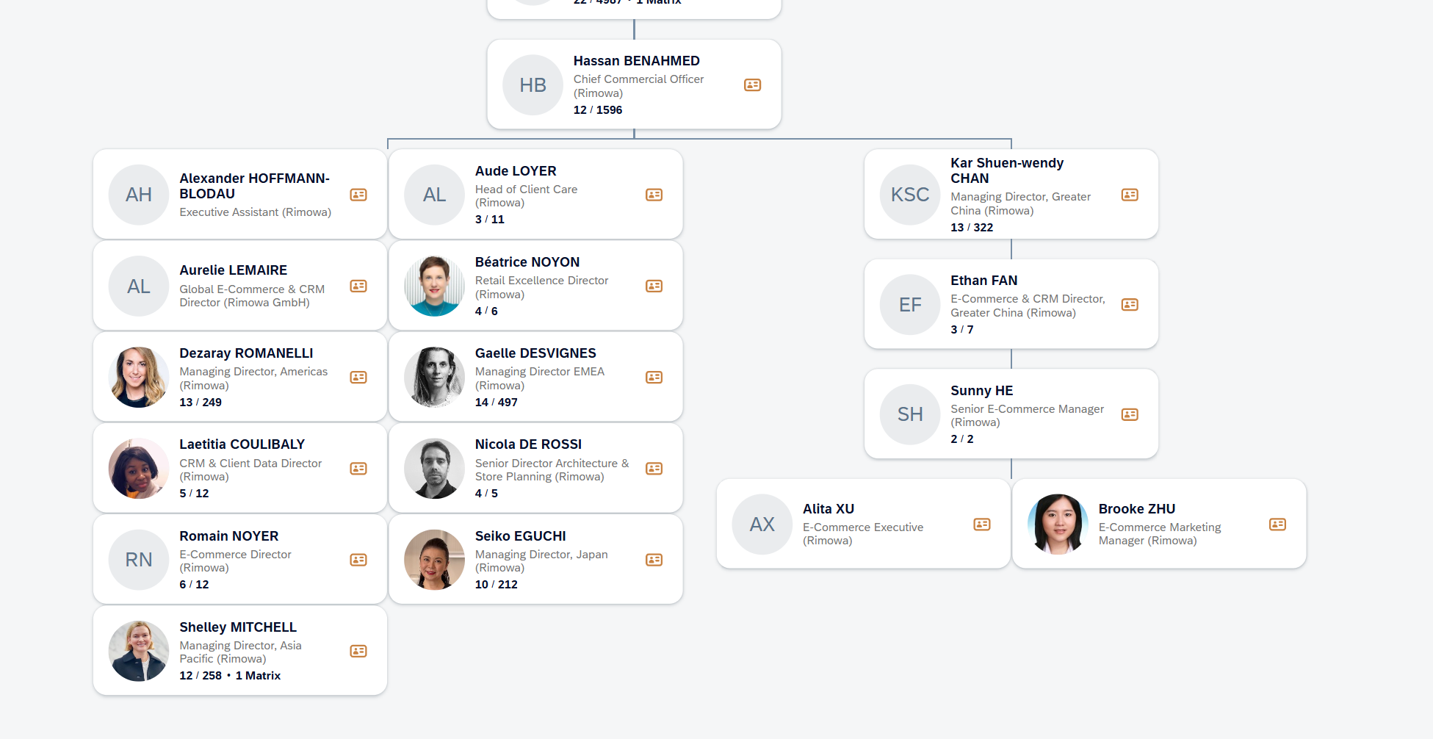
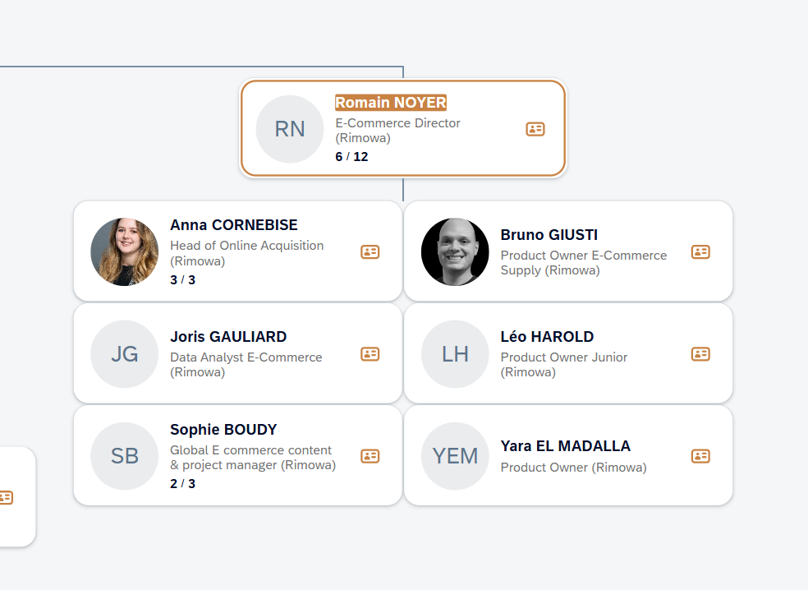
Back <-
 | Rimowa

 | Wendy CHEN | Total: 7

 | Projects | Owner | Status
 | Enrich project scaling | Mars YU | Ideation
 | 【Clienteling】Gen AI Contextual Outreach | Candy HOU | Ideation
 | 【Client Community】CRM upskilling and community | Candy HOU | Done
 | 【Clienteling】WeCom tools benchmark and feature innovation | Qiwen MO | Done
 | China AI omni landscape strategy playbook 2) Agentic commerce | Wendy CHEN | Q4-Pilot
 | Al for omni excellence - 2) Product recommendation | Wendy CHEN | Ideation
 | Al for omni excellence - 3) Smart Search | Wendy CHEN | Ideation
 | VoC (NPS) | Rikka CHEN | Run
 | Al training for omni-retail | Rikka CHEN | Q4-Pilot
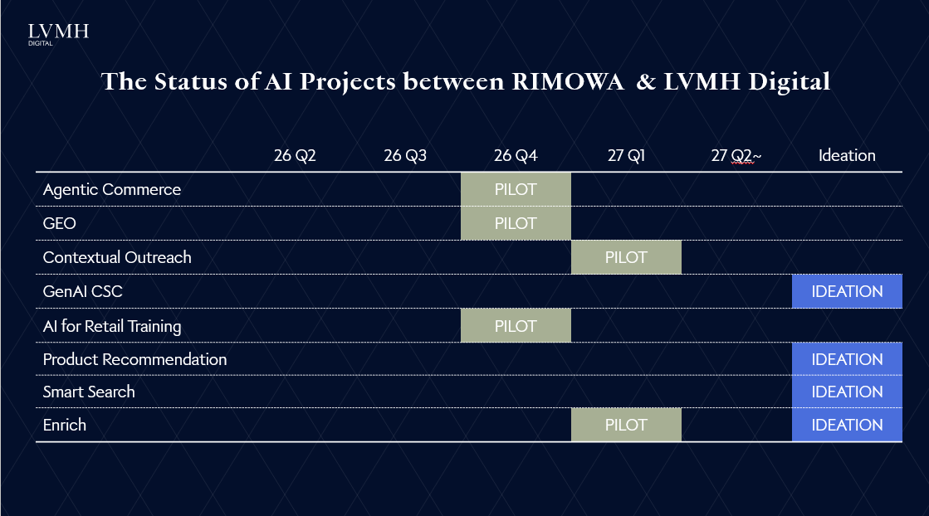
 | GEO | Yuanne CHANG | Q4-Pilot

Tiffany
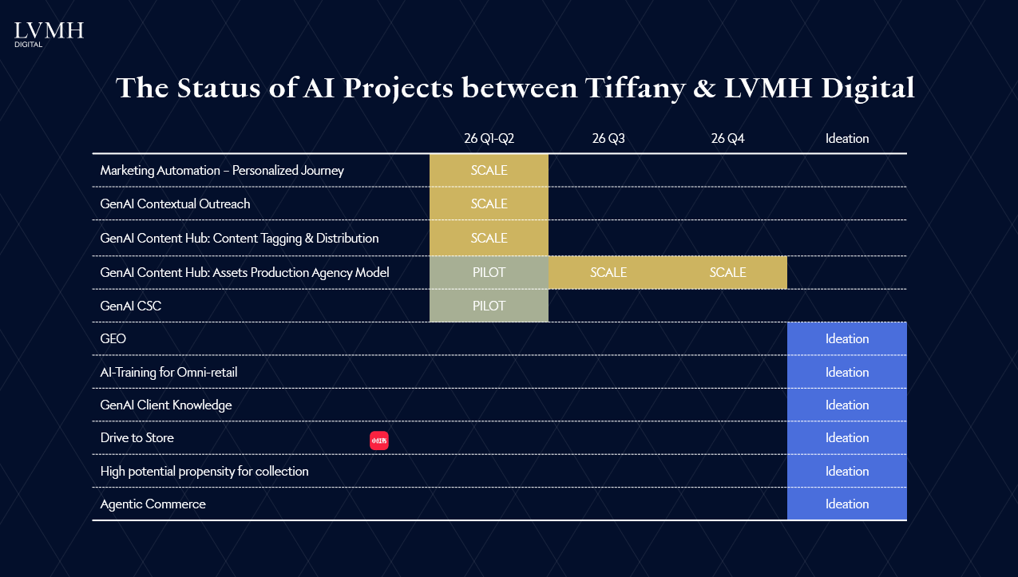
Back <-
 | Tiffany

 | Candy HOU | Total: 10

 | Projects | Owner | Status | Remarks
 | Enrich project scaling | Mars YU | Run
 | 【Advanced Journey 】High potential one-timer/repeater | Chenlong WANG | Run | Pending Bulgari result
 | 【Advanced Journey 】High potential propensity for collection | Chenlong WANG | Ideation | 2027
 | 【Clienteling】Gen AI Client Knowledge | Chenlong WANG | Ideation
 | State of Data（June） | Mars YU | Done
 | 【Marketing Automation 】Personalized journeys through QA migration, upgrades, and orchestration | Qiwen MO | Q3-Scale
 | 【Gen AI Content Hub】Content Tagging & Distrubution | Qiwen MO | Q2-Scale
 | 【Clienteling】Gen AI Contextual Outreach | Candy HOU | Q3-Scale
 | 【Client Community】CRM upskilling and community | Candy HOU | Done
 | 【Clienteling】WeCom tools benchmark and feature innovation | Qiwen MO | Done | 2028
 | 【KOS】AI solutions (scanning, content assistant, task management ) | TBD | Q1-Scale | 2026 2H
 | China AI omni landscape strategy playbook 2) Agentic commerce | Wendy CHEN | Ideation
 | VoC (NPS) | Rikka CHEN | Run | 2027
 | Al training for omni-retail | Rikka CHEN | Ideation
 | Gen-AI CSC | Qia CHEN | Ideation | Limited edition, HJ
 | 【Gen AI Content Hub】Asset Production & Distribution | Qia CHEN | Run
 | GEO | Yuanne CHANG | Ideation

Bvlgari
Back <-
 | Bvlgari

 | Chenlong WANG | Total: 14
 | AI Champion： Ryan XIE ｜ Maggie ZHU，Charles LIU，Kelsey GU

 | Projects | Owner | Status
 | Enrich project scaling | Mars YU | Run
 | 【Advanced Journey 】High potential one-timer/repeater | Chenlong WANG | Run
 | 【Advanced Journey 】High potential client list orchestration | Xintong YAN | Q3-Pilot
 | 【Advanced Journey 】High potential propensity for collection | Chenlong WANG | Run
 | 【Advanced Journey 】Product Recom DREAM 2.0 | Chenlong WANG | Q2-Pilot
 | 【Clienteling】Gen AI Client Knowledge | Chenlong WANG | Q4-Pilot
 | State of Data（June） | Mars YU | Done
 | 【Marketing Automation 】Personalized journeys through QA migration, upgrades, and orchestration | Qiwen MO | Q1-Scale
 | 【Gen AI Content Hub】Content Tagging & Distrubution | Qiwen MO | Q2-Pilot
 | 【Clienteling】Gen AI Contextual Outreach | Candy HOU | Q2-Pilot
 | 【Client Community】CRM upskilling and community | Candy HOU | Done
 | 【Clienteling】WeCom tools benchmark and feature innovation | Qiwen MO | Done
 | China AI omni landscape strategy playbook 1) Drive to Store | Wendy CHEN | Ideation
 | China AI omni landscape strategy playbook 2) Agentic commerce | Wendy CHEN | Ideation
 | Omni incentive orchestration | Rikka CHEN | Ideation
 | VoC (NPS) | Rikka CHEN | Run
 | Al training for omni-retail | Rikka CHEN | Ideation
 | Gen-AI CSC | Qia CHEN | Ideation
 | GEO | Yuanne CHANG | Q3-Pilot
 | Actionable Insights | Yuanne CHANG | Ideation
 | Enhanced Targeting | Yuanne CHANG | Ideation

 | Personalized PDP

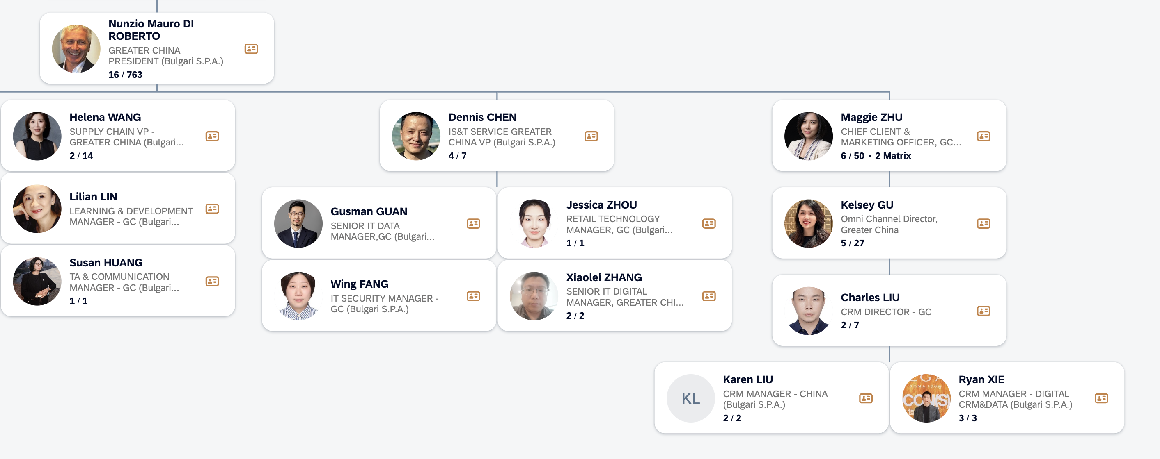
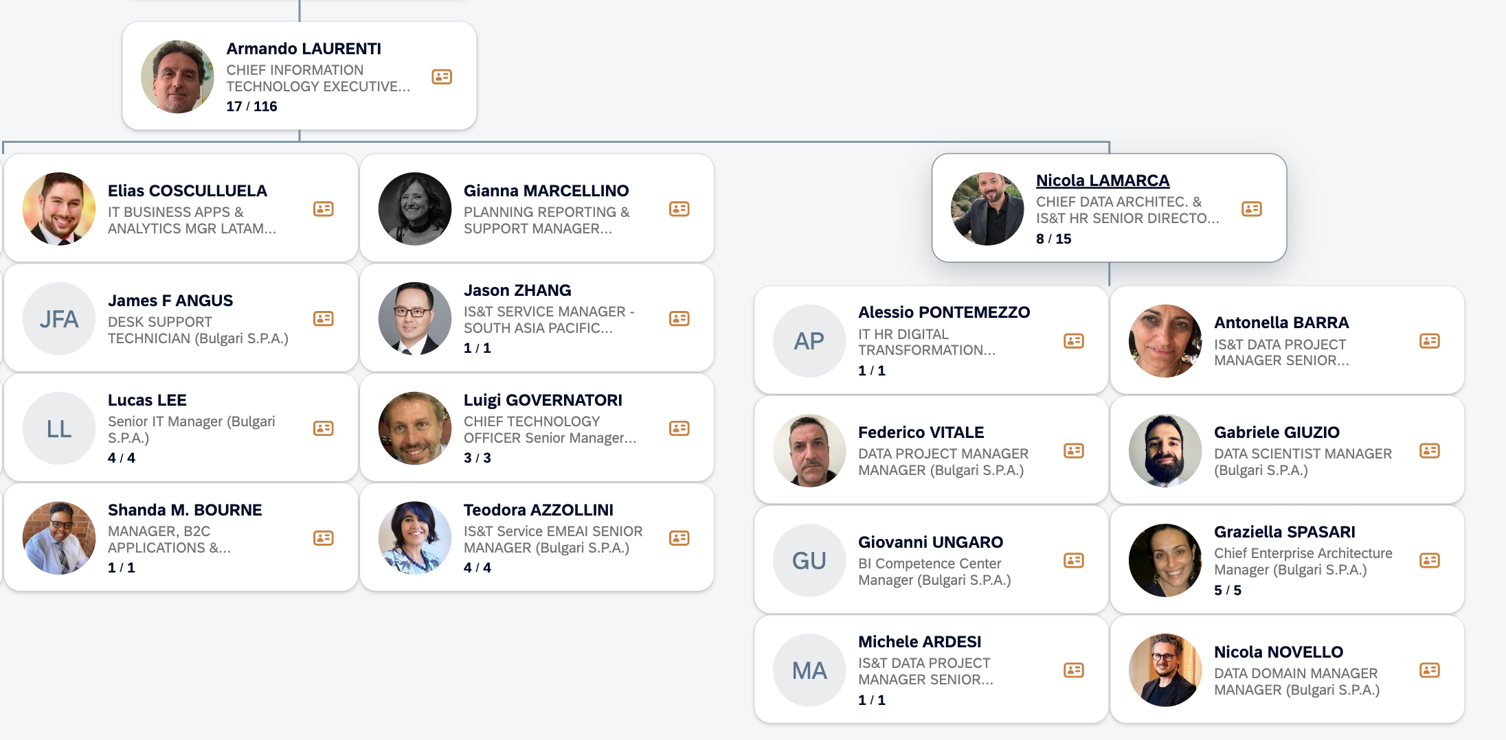

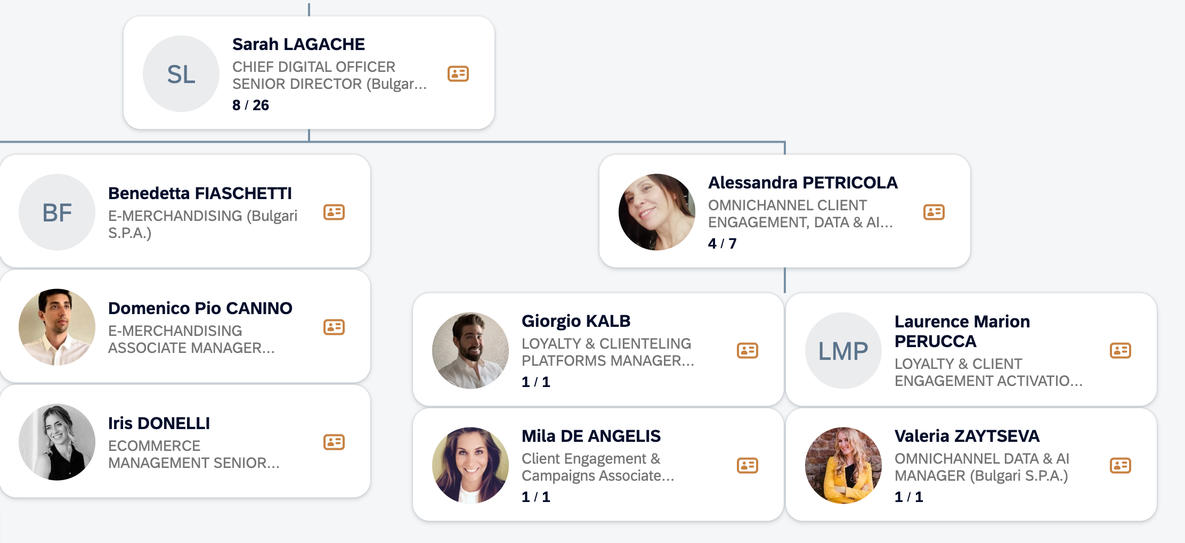

 | Meeting AI Road Map | 2026-05-09

 | Maggie, Kelsey, Charles, Ryan

 | 1. PDP 的内容能不能借鉴contextual outreach的结果做成个性化的展示页面
 | 2. 平台很多标签拿不回来，帮着别人在做私域运营
 | 3. AI Orchestr 如何做评价，目前global得名单6个月刷一次，我们已经更新到一个月一刷，效果怎么动态评价
 | 4. content 不止3D建模，投放内容也是SKY帮着做的，global会做这部分content的validation

 | 大的方向希望能够合在一起看，从omni-retail的角度做，而不分开
 | 之前的项目已经做了很多，不能一直Pilot，要考虑如何做Scale up
 | 整个scale up的过程要考虑有机的结合起来，客人也是非常复合的，需要赋能各个部分
 | GEO会今年做起来
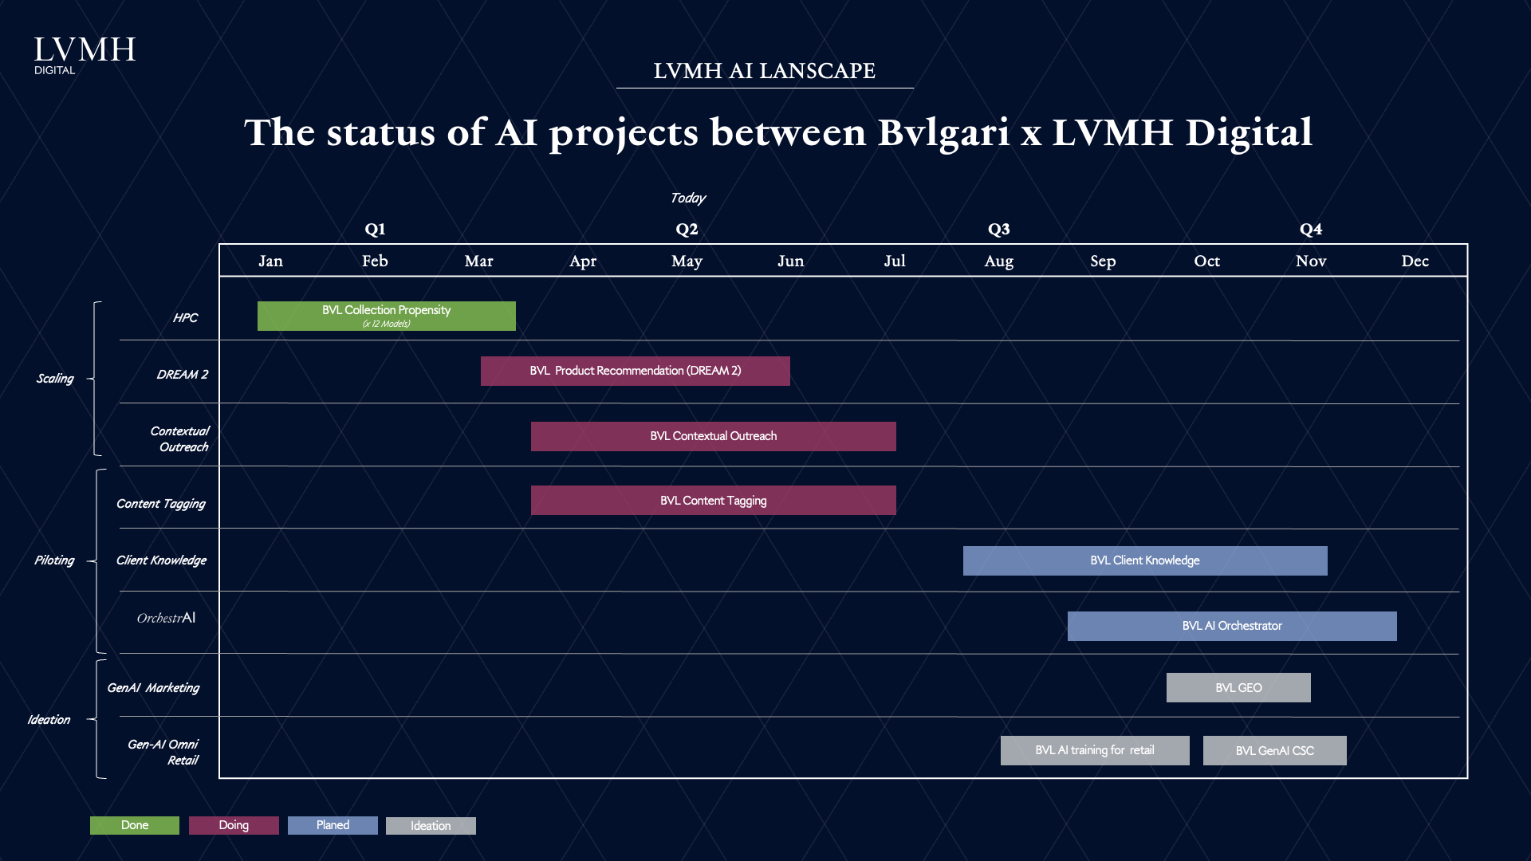

 | https://lvmh-my.sharepoint.com/:p:/r/personal/chenlong_wang_lvmh_com/Documents/work/Team%20work/China%20Digital%20Sharing_Bvlgari%20Workshop.pptx?d=wa58577e9019446f49e8e32292b9b5705&e=4%3aa188bdc218c14caf85353ad6758eb3ab&sharingv2=true&fromShare=true&at=9

Chaumet
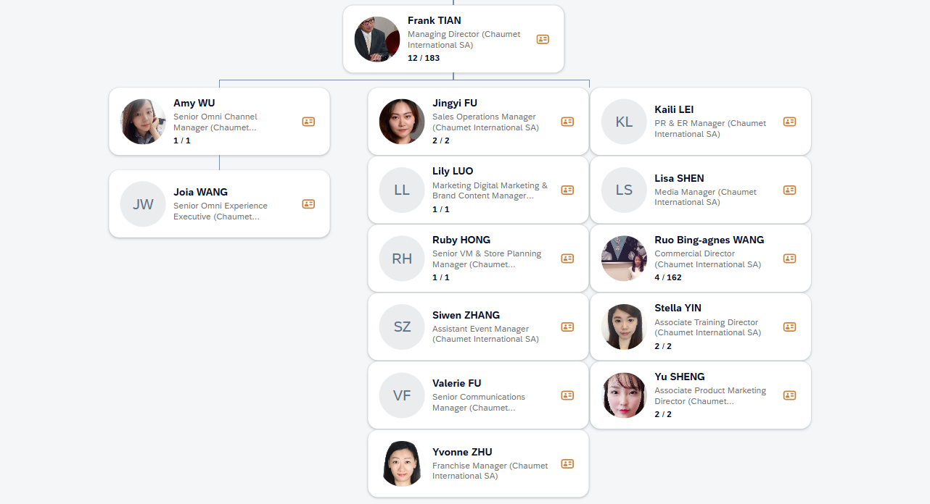
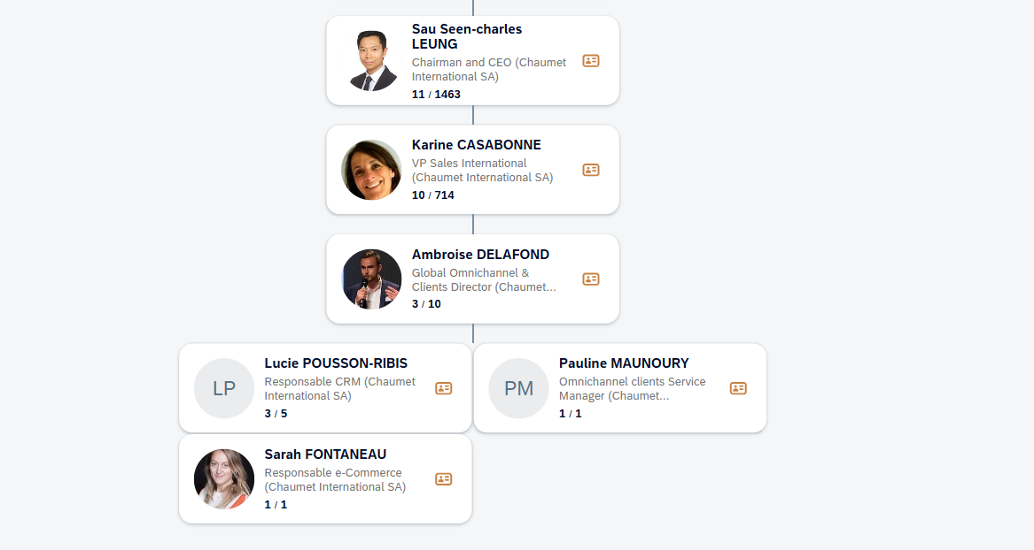
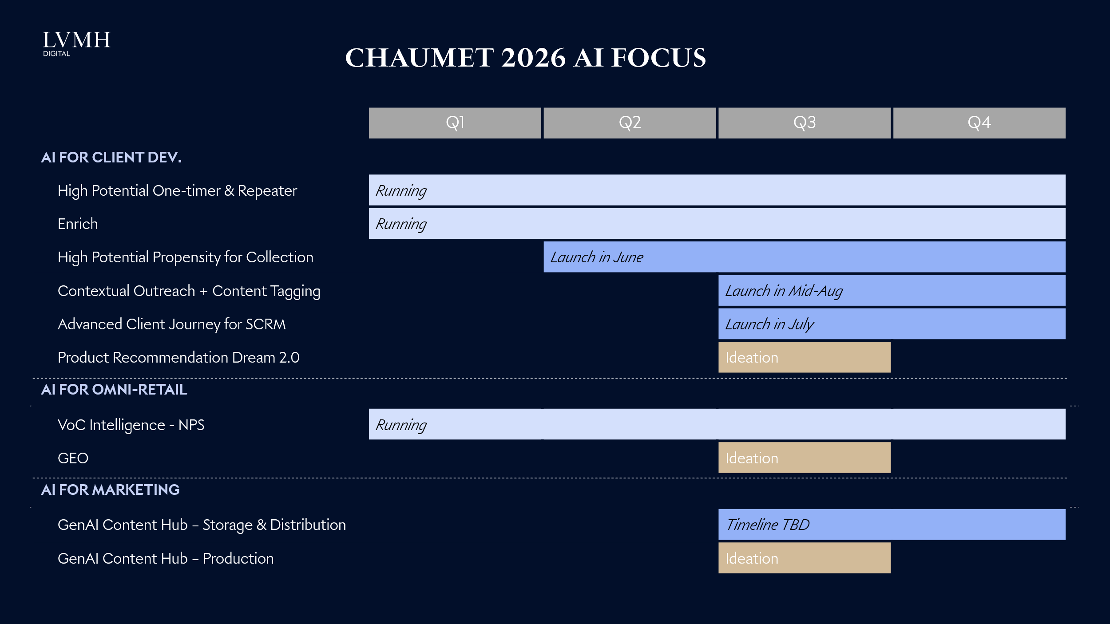
Back <-
 | Chaumet

 | Qiwen MO | Total: 9
 | Amy WU

 | Projects | Owner | Status
 | Enrich project scaling | Mars YU | Run
 | 【Advanced Journey 】High potential one-timer/repeater | Chenlong WANG | Run
 | 【Advanced Journey 】High potential propensity for collection | Chenlong WANG | Run
 | 【Advanced Journey 】Product Recom DREAM 2.0 | Chenlong WANG | Ideation
 | State of Data（June） | Mars YU | Done
 | 【Marketing Automation 】Personalized journeys through QA migration, upgrades, and orchestration | Qiwen MO | Q3-Scale
 | 【Gen AI Content Hub】Content Tagging & Distrubution | Qiwen MO | Q3-Pilot
 | 【Clienteling】Gen AI Contextual Outreach | Candy HOU | Q3-Pilot
 | 【Client Community】CRM upskilling and community | Candy HOU | Done
 | 【Clienteling】WeCom tools benchmark and feature innovation | Qiwen MO | Done
 | 【KOS】AI solutions (scanning, content assistant, task management ) | TBD | Ideation
 | China AI omni landscape strategy playbook 2) Agentic commerce | Wendy CHEN | Ideation | *solution introduced to CRM head, interested in GenAI for 1v1 clienteling, e.g. on-model try-on, need alignment with MD and Janet& Rachael's endorsement during the global visit (May 2026)
 | Al for omni excellence - 1) Tracking Lab | Wendy CHEN | Run
 | VoC (NPS) | Rikka CHEN | Run
 | 【Gen AI Content Hub】Asset Production & Distribution | Qia CHEN | Ideation
 | 【Gen AI Content Hub】Asset Production & Distribution - LucIA | Qia CHEN | Q2-Pilot
 | GEO | Yuanne CHANG | Ideation

Fred
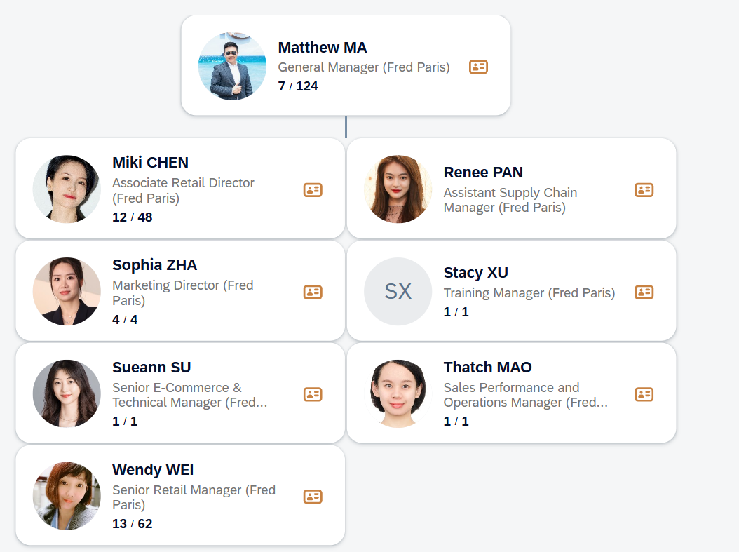
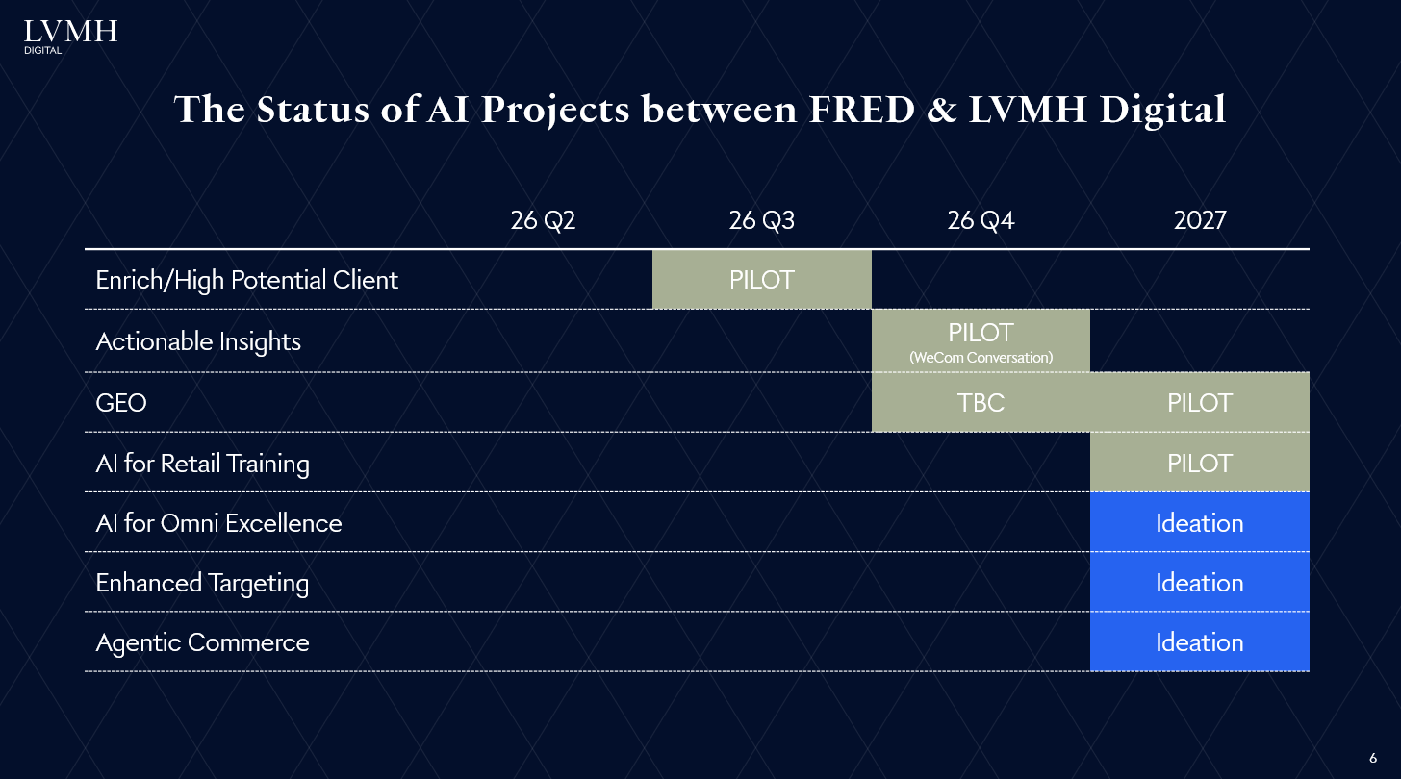
Back <-
 | Fred

 | Rikka CHEN | Total: 2

 | Projects | Owner | Status
 | Enrich project scaling | Mars YU | Run
 | 【Advanced Journey 】High potential one-timer/repeater causal inference | Chenlong WANG | Q3-Pilot
 | 【Client Community】CRM upskilling and community | Candy HOU | Done
 | 【Clienteling】WeCom tools benchmark and feature innovation | Qiwen MO | Done
 | VoC (NPS) | Rikka CHEN | Run
 | Al training for omni-retail | Rikka CHEN | Ideation

Hublot
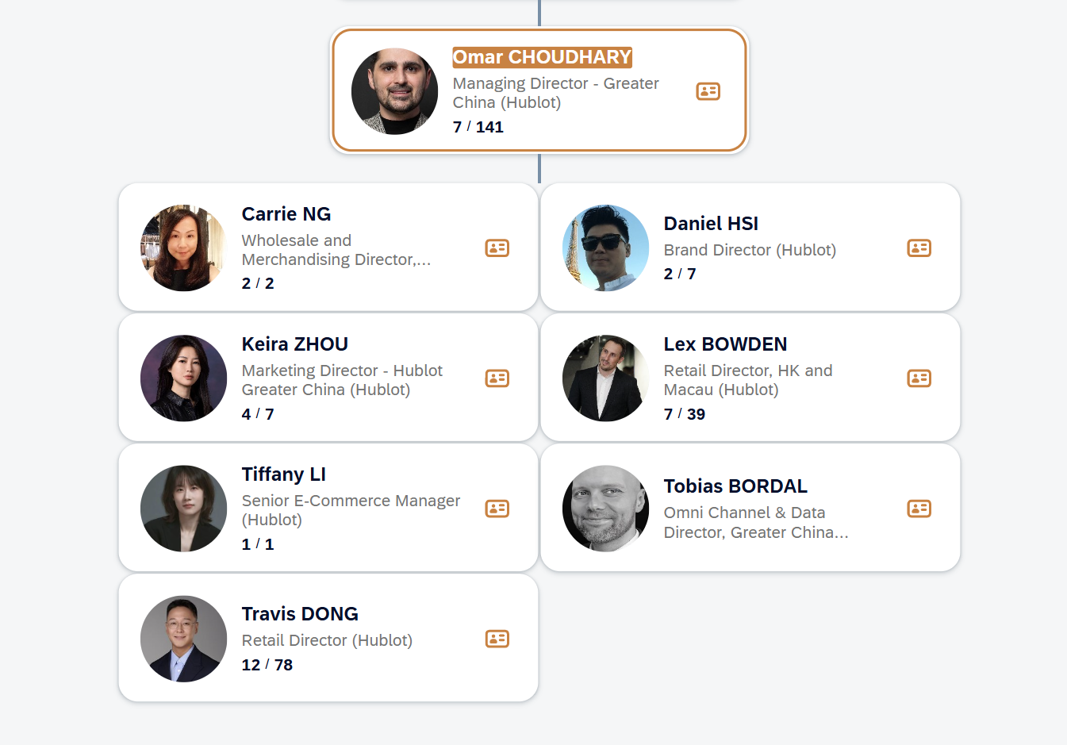
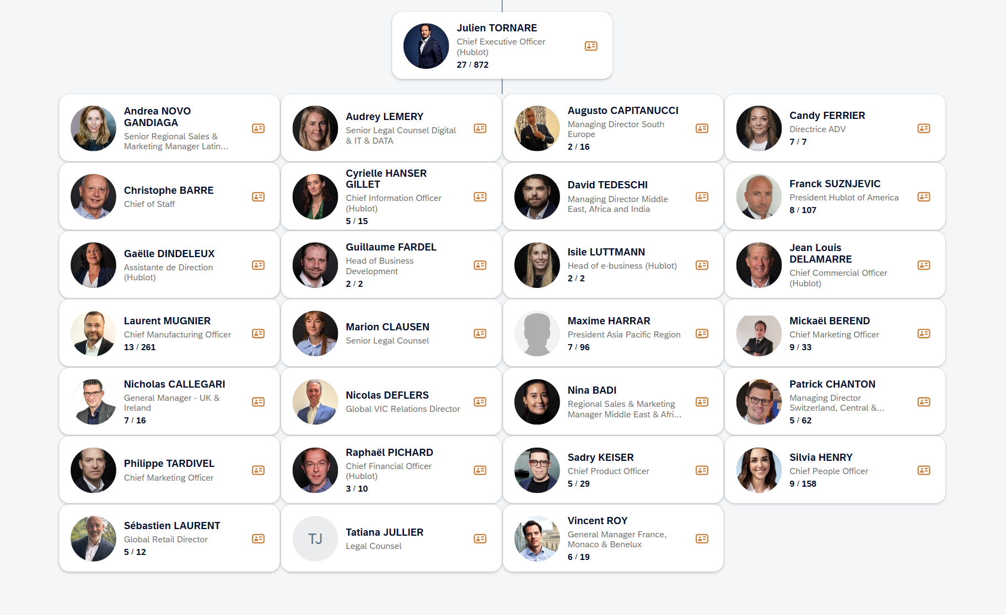
Back <-
 | Hublot

 | Wendy CHEN | Total: 1

 | Projects | Owner | Status
 | Enrich project scaling | Mars YU | Q1-Scale
 | 【Clienteling】WeCom tools benchmark and feature innovation | Qiwen MO | Done

Zenith
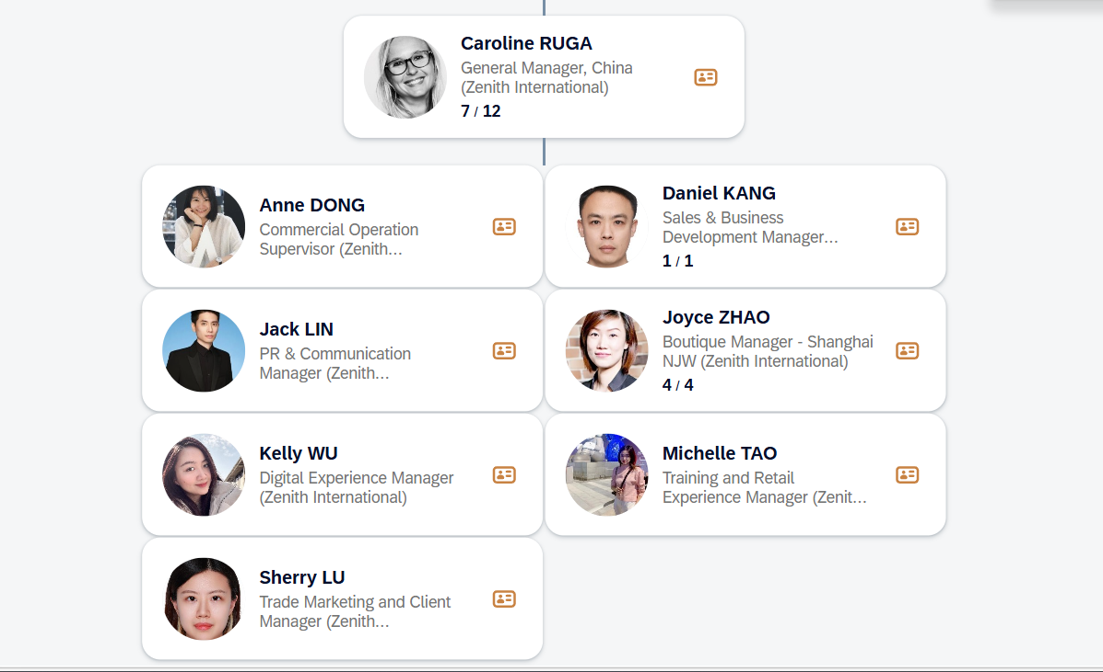
Back <-
 | Zenith

 | Qiwen MO | Total: 4
 | Kelly WU

 | Projects | Owner | Status
 | Enrich project scaling | Mars YU | Q4-Scale
 | Al training for omni-retail | Rikka CHEN | Ideation
 | 【Gen AI Content Hub】Asset Production & Distribution | Qia CHEN | Q2-Pilot
 | GEO | Yuanne CHANG | Ideation

Perfume Dior
Back <-
 | Perfume Christine Dior

 | Chenlong WANG | Total: 6
 | AI Champion： Shen XU

 | Projects | Owner | Status
 | Enrich project scaling | Mars YU | Ideation
 | 【Clienteling】Gen AI Client Knowledge | Chenlong WANG | Q3-Pilot
 | 【Marketing Automation 】Personalized journeys through QA migration, upgrades, and orchestration | Qiwen MO | Q1-Scale
 | 【Client Community】CRM upskilling and community | Candy HOU | Done
 | 【Clienteling】WeCom tools benchmark and feature innovation | Qiwen MO | Done
 | China AI omni landscape strategy playbook 2) Agentic commerce | Wendy CHEN | Ideation
 | VoC (NPS) | Rikka CHEN | Run
 | Marketing Mix Modeling | Qia CHEN | Q4-Pilot
 | GEO | Yuanne CHANG | Ideation |  | Digital project budget change vs. B25 | 略涨
 |  |  |  |  | EC project budget change vs. B25 | 持平
 |  |  |  |  | AI project budget change vs. B25 | 持平
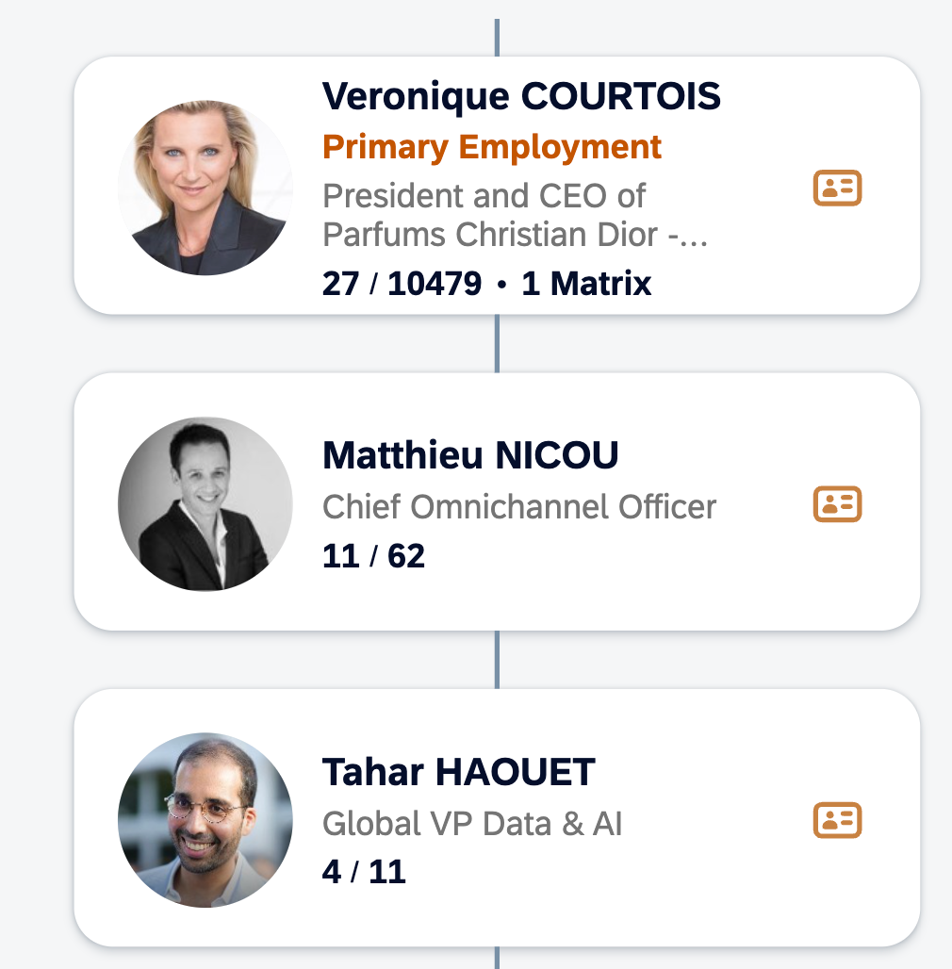
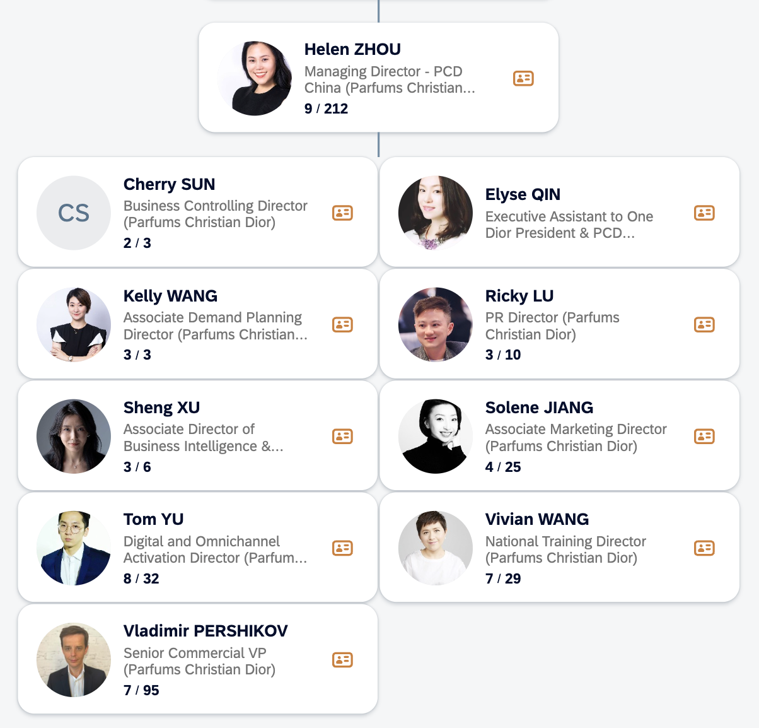
 |  |  |  |  | AI project planning | 无
 |  |  |  |  | EC growth rate target | 无

Digital

EC&CRM

Retail

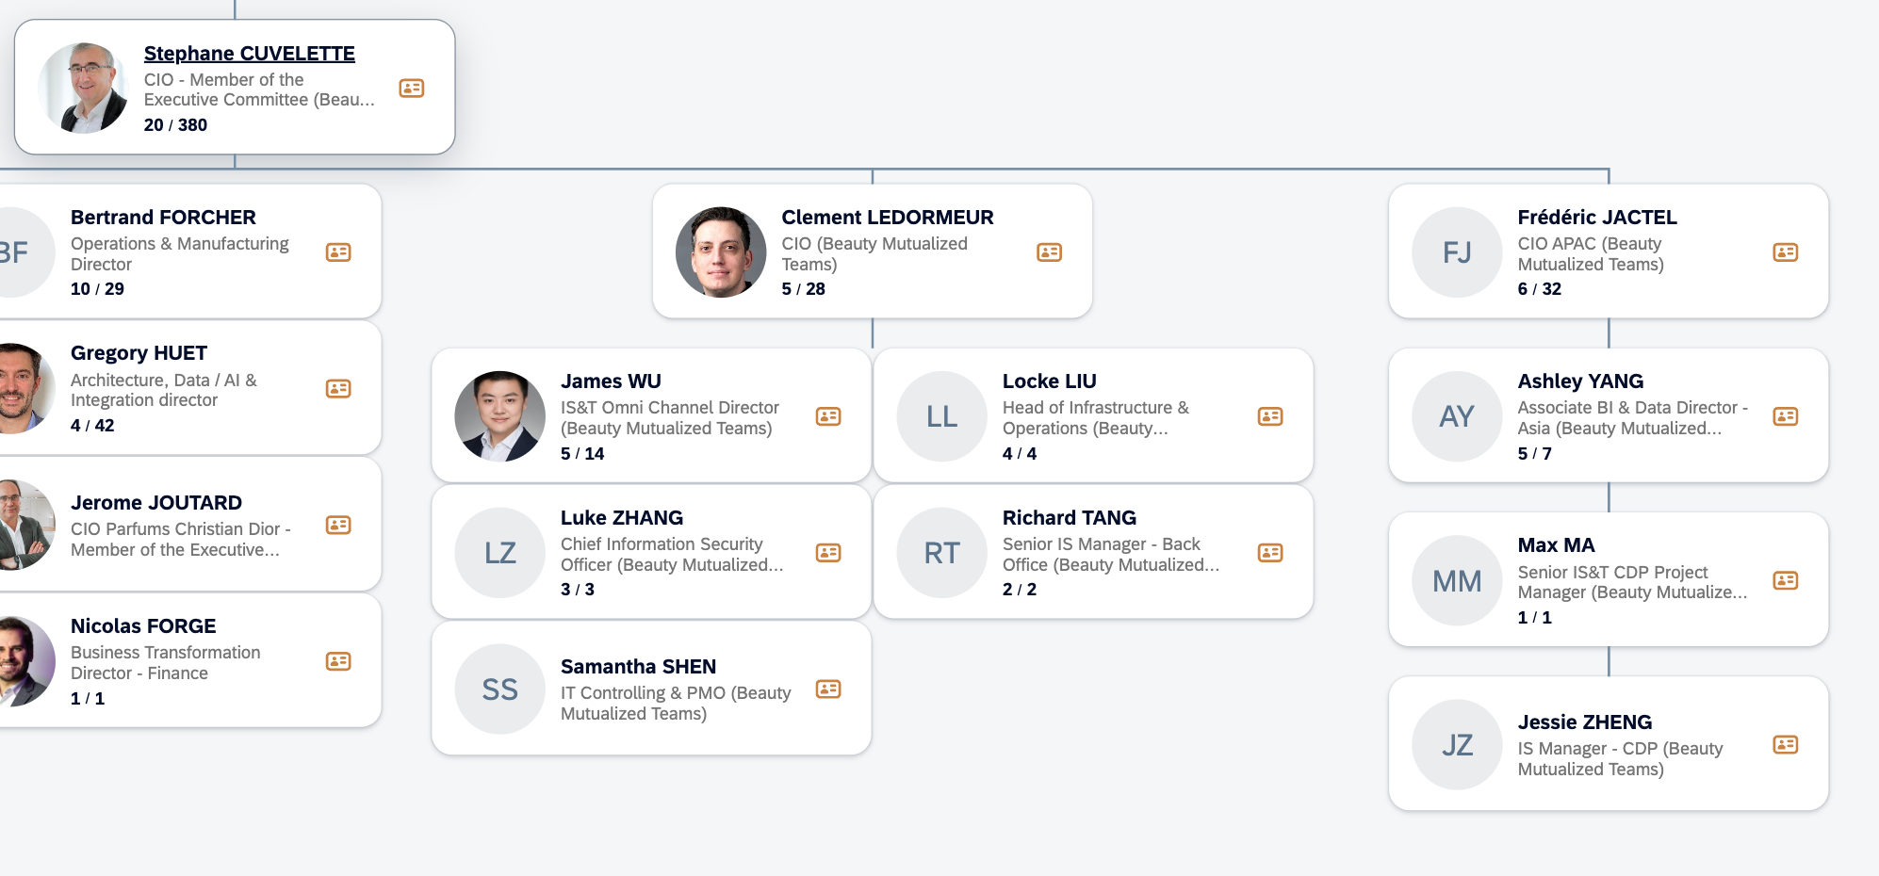
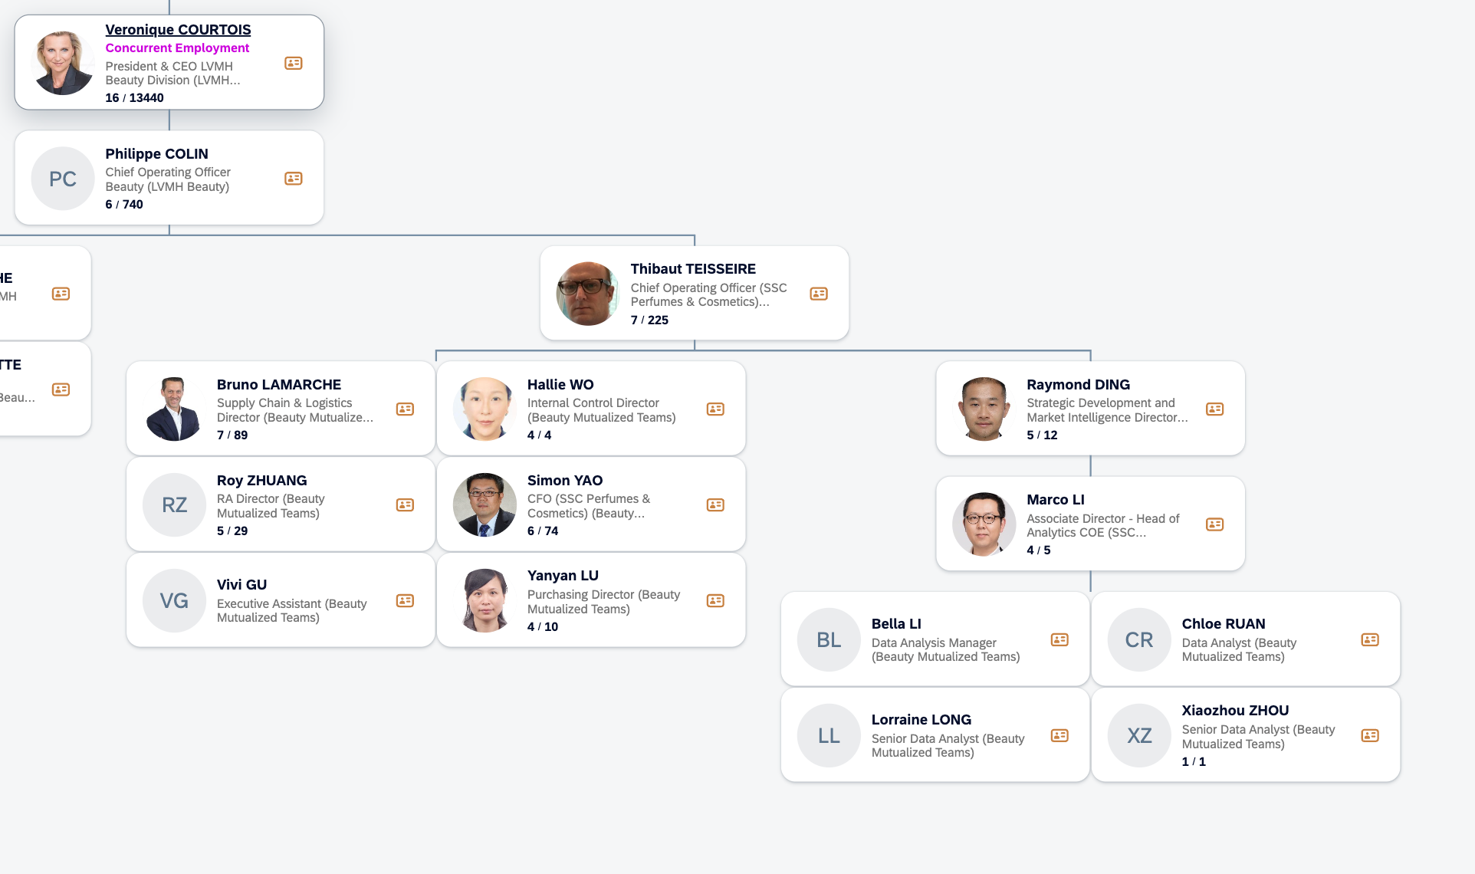

 | AI roadmap with PCD global |  |  | 2026-04-16

 | Matthieu NICOU， Melanie BOUVIER， Luciana DEGOES， Karine DAEGOS

 | 1. Automated MMM is hard, we can consider traditional MMM instead
 | 2. MaIA is not good enough, we will upgrade it in China soon
 | 3. RAI committee should have right to kill project
 | 4. Two RAIS, global and china, need to share with each other
 | 5. Define the clear collobration between platform and us, roles and responsibilities
 | 6 Agentic commerence is not only about GEO, which will open to public eventually. We should control the tone of voice and RAG

Guerlain
Back <-
 | Guerlain

 | Rikka CHEN | Total: 9

 | Projects | Owner | Status | Remarks
 | Enrich project scaling | Mars YU | Ideation | Strong interest by HQ
 | 【Marketing Automation 】Personalized journeys through QA migration, upgrades, and orchestration | Qiwen MO | Q1-Scale
 | 【Clienteling】Gen AI Contextual Outreach | Candy HOU | Q3-Pilot
 | 【Client Community】CRM upskilling and community | Candy HOU | Done
 | 【Clienteling】WeCom tools benchmark and feature innovation | Qiwen MO | Done | Top priority；希望不是campaign-based，而是长期sustainable的
 | 【KOS】AI solutions (scanning, content assistant, task management ) | TBD | Q3-Pilot | EC已经做了微信MNP/官网的购后弹窗，正在讨论Retail NPS的roadmap/budget，总部已经align供应商为众言
 | China AI omni landscape strategy playbook 2) Agentic commerce | Wendy CHEN | Q3-Pilot | Vendor selection process for PoC
 | VoC (NPS) | Rikka CHEN | Run | Top priority，主要针对抖音千川，现在是抖P月费里可能包了200张图（100原创、100二创或KOL授权），更多的图片就需要按rate card来，每个月花的钱很多，希望看怎么能够生成一些结合DY热点趋势的图+更加cost-efficiency。但目前这部分素材没有被mkt approve（一直以来的工作流）也瞒着总部。Mkt assets主要是明星和local campaign（520/七夕/618/38/双十一）by campaign找agency做素材，agency会使用AI做moodboard，但实际创作不能使用AI
 | Al training for omni-retail | Rikka CHEN | Q4-Pilot | Eric很愿意参与pilot
 | 【Gen AI Content Hub】Asset Production & Distribution | Qia CHEN | Ideation
 | Marketing Mix Modeling | Qia CHEN | Ideation
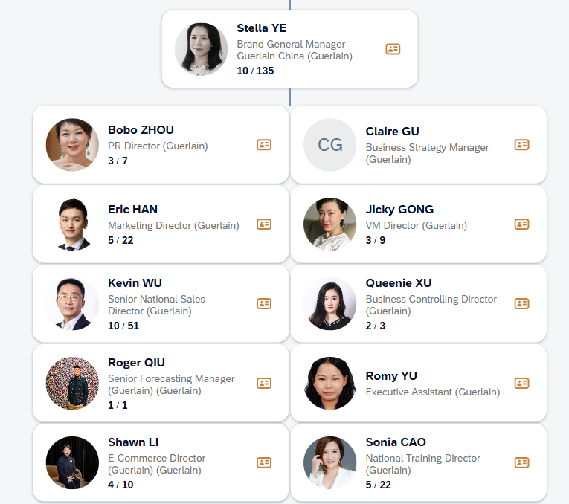
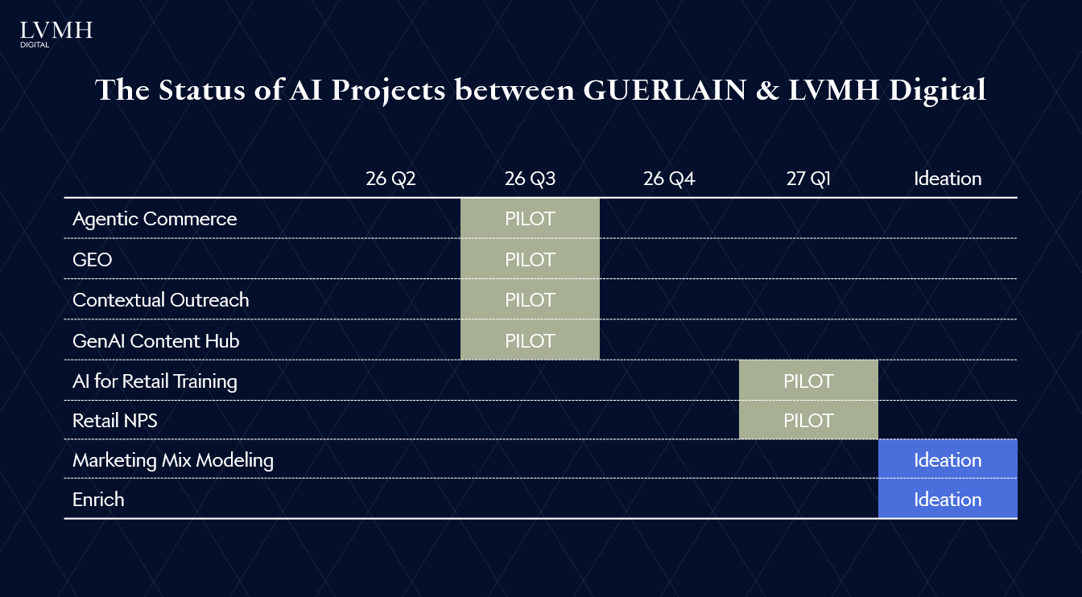
 | GEO | Yuanne CHANG | Q3-Pilot

Beauty Div
Back <-
 | Beauty Division

 | Wendy CHEN | Total: 4

 | Projects | Owner | Status
 | 【Advanced Journey 】Product Recom DREAM 2.0 | Chenlong WANG | Ideation
 | 【Clienteling】Gen AI Contextual Outreach | Candy HOU | Q3-Pilot
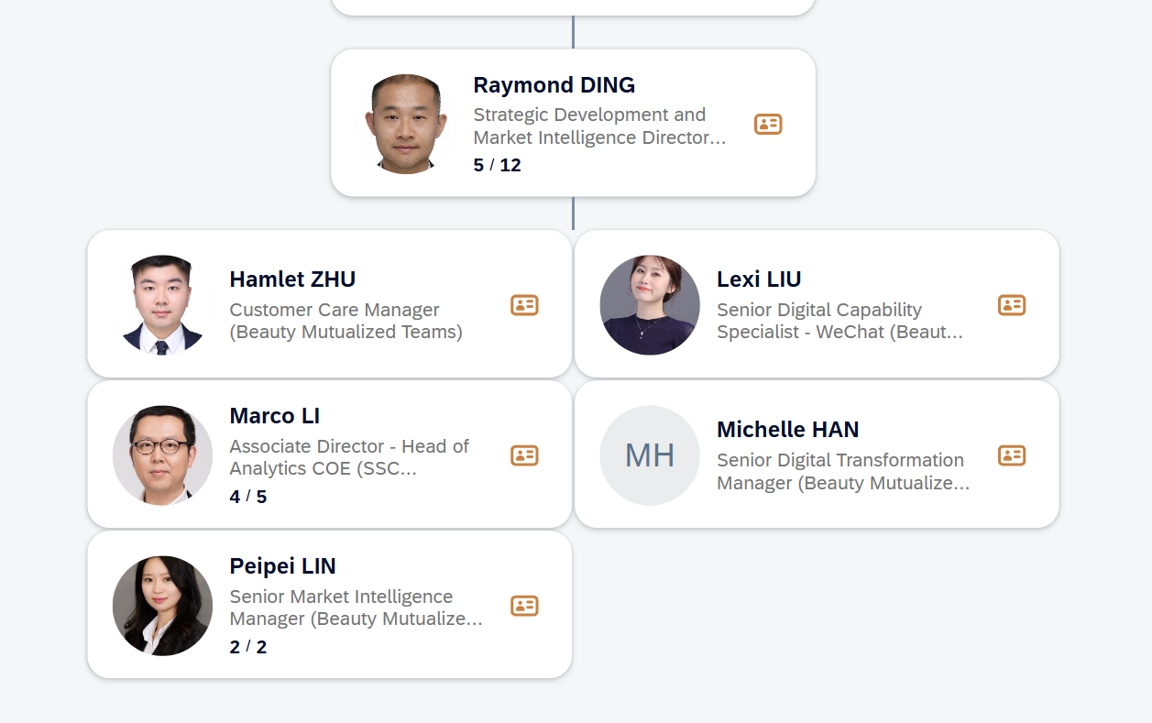
 | 【Client Community】CRM upskilling and community | Candy HOU | Done
 | 【KOS】AI solutions (scanning, content assistant, task management ) | TBD | Q3-Pilot
 | VoC (NPS) | Rikka CHEN | Run
 | 【Gen AI Content Hub】Asset Production & Distribution - LucIA | Qia CHEN | Q2-Pilot

Sephora
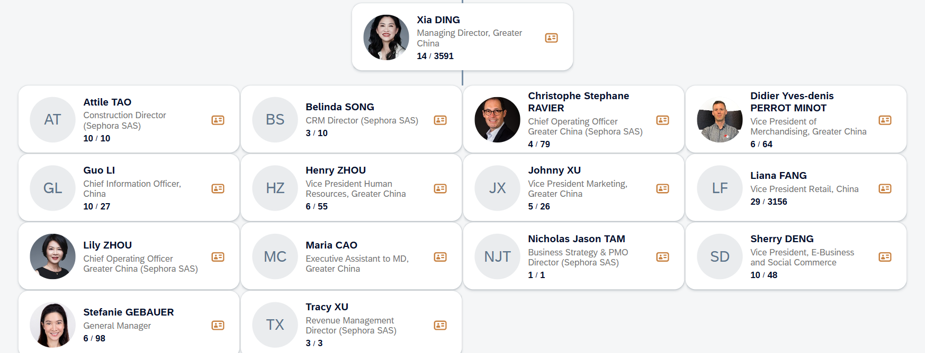
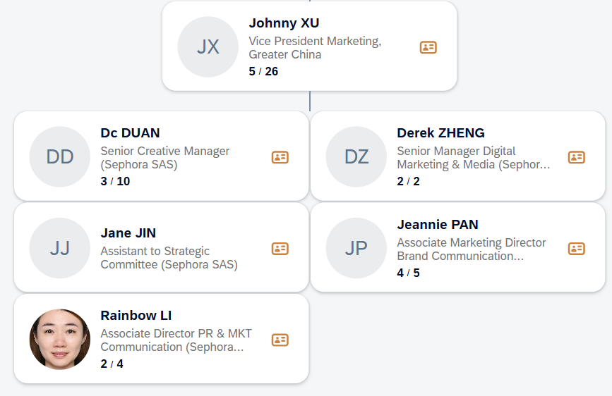
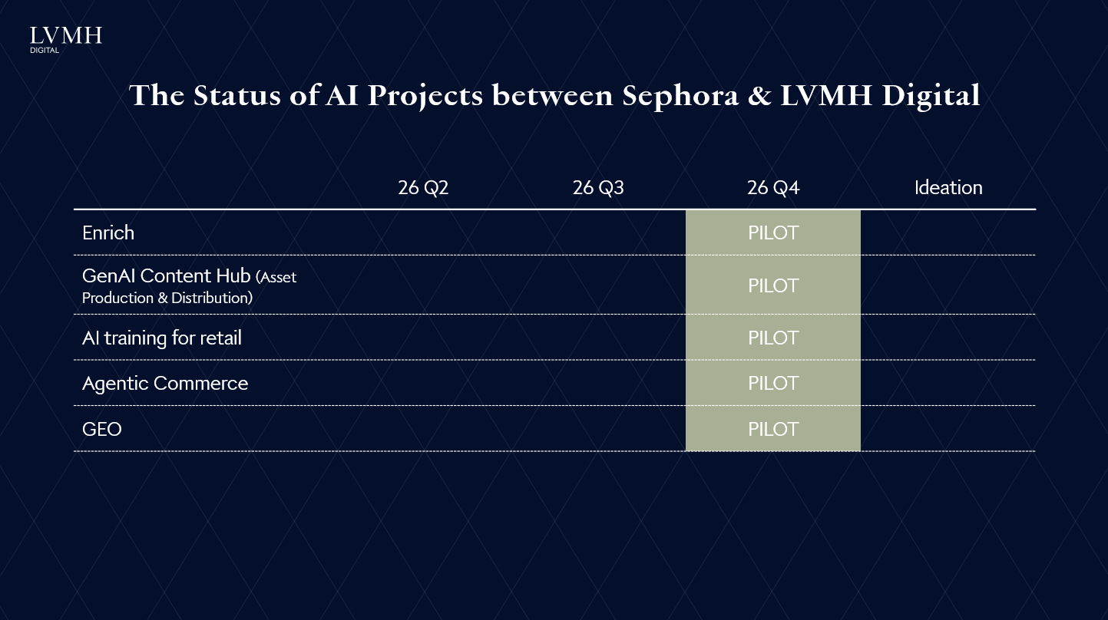
Back <-
 | Sephora

 | Qia CHEN | Total: 6
AI Champion | Lavender SHENG

 | Projects with LVMH Digital | Owner | Status | Projects led by Sephora in-house | Status
 | Enrich project scaling | Mars YU | Q4-Pilot | Smart Search- Tencent Magic Agent (next best product, offer, content) | Pilot in 2026 for product, rest for 2027
 | China AI omni landscape strategy playbook 2) Agentic commerce | Wendy CHEN | Q4-Pilot | Smart Replenishment | Pilot in 2026
 | VoC (NPS) | Rikka CHEN | Run | Product Recommendation (similar product, complementary product, out-of-stock) | Pilot in 2026
 | Al training for omni-retail | Rikka CHEN | Q4-Pilot | Personalise Ordering | Ideation in 2027
 | 【Gen AI Content Hub】Asset Production & Distribution | Qia CHEN | Q3-Pilot | CRM Detection (churn detection, 2nd purchase for one time user) | Pilot in 2026
 | 【Gen AI Content Hub】Asset Production & Distribution - LucIA | Qia CHEN | Q2-Scale | Gen AI for Product Review | Pilot in 2026
 | GEO | Yuanne CHANG | Q4-Pilot | Chatbot on Dragon (self-owned channel) | Pilot in 2026
 |  |  |  | GEA- visibility on Search Engine | Ideation in 2027
 |  |  |  | Smart Demand Planning (predict novelty, store assortment, AI-assisted Merch) | Ideation in 2027
 |  |  |  | Space Planning | Ideation in 2026
 |  |  |  | AI Staff Recruiting | Ideation in 2026
 |  |  |  | Employee HR Assistant | Scaled in 2026
 |  |  |  | Talk to my number | Ideation in 2027
 | Key Challenges |  |  | Personalised communication (content generation, customer interaction) | Pilot in 2026
 | 白卡members conversion & upgrade
 | recruiting new members registration, esp. online

 | Key Features & Data of Sephora
 | Heavily within Tencent ecosytem, with their strong online % of self-owned channel (Dragon)
 | High Local Saying over strategy, image assets-one of the three independent delivery centres
 | 5M member data, 300+ offline stores

